Sayfa1
 | ANİPA FİYAT LİSTESİ OCAK 2024

 | MALZEME KODU | B2B SİPARİŞ KOD | MALZEME AÇIKLAMASI | BİRİM | LİSTE FİYATI | DÖVİZ CİNSİ

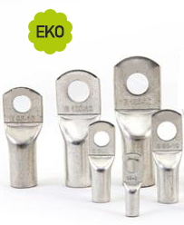 | A038001005 | A03800 | SKP-E 01005 EKO TİP KABLO PABUCU | AD | 0.000 | ₺
 | A038001606 | A03801 | SKP-E 01606 EKO TİP KABLO PABUCU | AD | 8.980 | ₺
 | A038001608 | A03802 | SKP-E 01608 EKO TİP KABLO PABUCU | AD | 8.980 | ₺
 | A038002506 | A03803 | SKP-E 02506 EKO TİP KABLO PABUCU | AD | 16.950 | ₺
 | A038002508 | A03804 | SKP-E 02508 EKO TİP KABLO PABUCU | AD | 16.950 | ₺
 | A038003506 | A03805 | SKP-E 03506 EKO TİP KABLO PABUCU | AD | 22.950 | ₺
 | A038003508 | A03806 | SKP-E 03508 EKO TİP KABLO PABUCU | AD | 22.950 | ₺
 | A038005008 | A03807 | SKP-E 05008 EKO TİP KABLO PABUCU | AD | 31.950 | ₺
 | A038005010 | A03808 | SKP-E 05010 EKO TİP KABLO PABUCU | AD | 31.950 | ₺
 | A038007010 | A03809 | SKP-E 07010 EKO TİP KABLO PABUCU | AD | 48.950 | ₺
 | A038007012 | A03810 | SKP-E 07012 EKO TİP KABLO PABUCU | AD | 48.950 | ₺
 | A038009510 | A03811 | SKP-E 09510 EKO TİP KABLO PABUCU | AD | 59.950 | ₺
 | A038009512 | A03812 | SKP-E 09512 EKO TİP KABLO PABUCU | AD | 59.950 | ₺
 | A038012010 | A03813 | SKP-E 12010 EKO TİP KABLO PABUCU | AD | 81.950 | ₺
 | A038012012 | A03814 | SKP-E 12012 EKO TİP KABLO PABUCU | AD | 81.950 | ₺
 | A038015010 | A03815 | SKP-E 15010 EKO TİP KABLO PABUCU | AD | 135.950 | ₺
 | A038015012 | A03816 | SKP-E 15012 EKO TİP KABLO PABUCU | AD | 135.950 | ₺
 | A038018512 | A03817 | SKP-E 18512 EKO TİP KABLO PABUCU | AD | 159.950 | ₺
 | A038018516 | A03818 | SKP-E 18516 EKO TİP KABLO PABUCU | AD | 159.950 | ₺
 | A038024012 | A03819 | SKP-E 24012 EKO TİP KABLO PABUCU | AD | 235.950 | ₺
 | A038024016 | A03820 | SKP-E 24016 EKO TİP KABLO PABUCU | AD | 235.950 | ₺
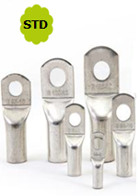 | A039000605 | A03900 | SKP-S 00605 STANDART TİP KABLO PABUCU | AD | 0.000 | ₺
 | A039001005 | A03901 | SKP-S 01005 STANDART TİP KABLO PABUCU | AD | 8.980 | ₺
 | A039001006 | A03902 | SKP-S 01006 STANDART TİP KABLO PABUCU | AD | 8.980 | ₺
 | A039001008 | A03903 | SKP-S 01008 STANDART TİP KABLO PABUCU | AD | 8.980 | ₺
 | A039001605 | A03904 | SKP-S 01605 STANDART TİP KABLO PABUCU | AD | 12.450 | ₺
 | A039001606 | A03905 | SKP-S 01606 STANDART TİP KABLO PABUCU | AD | 13.950 | ₺
 | A039001608 | A03906 | SKP-S 01608 STANDART TİP KABLO PABUCU | AD | 13.950 | ₺
 | A039001610 | A03907 | SKP-S 01610 STANDART TİP KABLO PABUCU | AD | 13.950 | ₺
 | A039002506 | A03908 | SKP-S 02506 STANDART TİP KABLO PABUCU | AD | 21.950 | ₺
 | A039002508 | A03909 | SKP-S 02508 STANDART TİP KABLO PABUCU | AD | 22.950 | ₺
 | A039002510 | A03910 | SKP-S 02510 STANDART TİP KABLO PABUCU | AD | 22.950 | ₺
 | A039002512 | A03911 | SKP-S 02512 STANDART TİP KABLO PABUCU | AD | 0.000 | ₺
 | A039003506 | A03912 | SKP-S 03506 STANDART TİP KABLO PABUCU | AD | 30.950 | ₺
 | A039003508 | A03913 | SKP-S 03508 STANDART TİP KABLO PABUCU | AD | 30.950 | ₺
 | A039003510 | A03914 | SKP-S 03510 STANDART TİP KABLO PABUCU | AD | 33.450 | ₺
 | A039003512 | A03915 | SKP-S 03512 STANDART TİP KABLO PABUCU | AD | 33.450 | ₺
 | A039005006 | A03916 | SKP-S 05006 STANDART TİP KABLO PABUCU | AD | 44.450 | ₺
 | A039005008 | A03917 | SKP-S 05008 STANDART TİP KABLO PABUCU | AD | 44.450 | ₺
 | A039005010 | A03918 | SKP-S 05010 STANDART TİP KABLO PABUCU | AD | 47.950 | ₺
 | A039005012 | A03919 | SKP-S 05012 STANDART TİP KABLO PABUCU | AD | 47.950 | ₺
 | A039005014 | A03920 | SKP-S 05014 STANDART TİP KABLO PABUCU | AD | 0.000 | ₺
 | A039007008 | A03921 | SKP-S 07008 STANDART TİP KABLO PABUCU | AD | 63.950 | ₺
 | A039007010 | A03922 | SKP-S 07010 STANDART TİP KABLO PABUCU | AD | 63.950 | ₺
 | A039007012 | A03923 | SKP-S 07012 STANDART TİP KABLO PABUCU | AD | 63.950 | ₺
 | A039007014 | A03924 | SKP-S 07014 STANDART TİP KABLO PABUCU | AD | 71.950 | ₺
 | A039007016 | A03925 | SKP-S 07016 STANDART TİP KABLO PABUCU | AD | 71.950 | ₺
 | A039009508 | A03926 | SKP-S 09508 STANDART TİP KABLO PABUCU | AD | 78.950 | ₺
 | A039009510 | A03927 | SKP-S 09510 STANDART TİP KABLO PABUCU | AD | 78.950 | ₺
 | A039009512 | A03928 | SKP-S 09512 STANDART TİP KABLO PABUCU | AD | 78.950 | ₺
 | A039009514 | A03929 | SKP-S 09514 STANDART TİP KABLO PABUCU | AD | 0.000 | ₺
 | A039009516 | A03930 | SKP-S 09516 STANDART TİP KABLO PABUCU | AD | 0.000 | ₺
 | A039012010 | A03931 | SKP-S 12010 STANDART TİP KABLO PABUCU | AD | 112.950 | ₺
 | A039012012 | A03932 | SKP-S 12012 STANDART TİP KABLO PABUCU | AD | 112.950 | ₺
 | A039012014 | A03933 | SKP-S 12014 STANDART TİP KABLO PABUCU | AD | 112.950 | ₺
 | A039012016 | A03934 | SKP-S 12016 STANDART TİP KABLO PABUCU | AD | 112.950 | ₺
 | A039012020 | A03935 | SKP-S 12020 STANDART TİP KABLO PABUCU | AD | 0.000 | ₺
 | A039015010 | A03936 | SKP-S 15010 STANDART TİP KABLO PABUCU | AD | 177.950 | ₺
 | A039015012 | A03937 | SKP-S 15012 STANDART TİP KABLO PABUCU | AD | 177.950 | ₺
 | A039015014 | A03938 | SKP-S 15014 STANDART TİP KABLO PABUCU | AD | 177.950 | ₺
 | A039015016 | A03939 | SKP-S 150-6 STANDART TİP KABLO PABUCU | AD | 177.950 | ₺
 | A039018510 | A03940 | SKP-S 18510 STANDART TİP KABLO PABUCU | AD | 219.950 | ₺
 | A039018512 | A03941 | SKP-S 18512 STANDART TİP KABLO PABUCU | AD | 219.950 | ₺
 | A039018514 | A03942 | SKP-S 18514 STANDART TİP KABLO PABUCU | AD | 219.950 | ₺
 | A039018516 | A03943 | SKP-S 18516 STANDART TİP KABLO PABUCU | AD | 219.950 | ₺
 | A039024010 | A03944 | SKP-S 24010 STANDART TİP KABLO PABUCU | AD | 287.950 | ₺
 | A039024012 | A03945 | SKP-S 24012 STANDART TİP KABLO PABUCU | AD | 287.950 | ₺
 | A039024014 | A03946 | SKP-S 24014 STANDART TİP KABLO PABUCU | AD | 287.950 | ₺
 | A039024016 | A03947 | SKP-S 24016 STANDART TİP KABLO PABUCU | AD | 287.950 | ₺
 | A039030012 | A03948 | SKP-S 30012 STANDART TİP KABLO PABUCU | AD | 349.950 | ₺
 | A039030014 | A03949 | SKP-S 30014 STANDART TİP KABLO PABUCU | AD | 349.950 | ₺
 | A039030016 | A03950 | SKP-S 30016 STANDART TİP KABLO PABUCU | AD | 349.950 | ₺
 | A039040014 | A03951 | SKP-S 40014 STANDART TİP KABLO PABUCU | AD | 0.000 | ₺
 | A039040016 | A03952 | SKP-S 40016 STANDART TİP KABLO PABUCU | AD | 0.000 | ₺
 | A039040020 | A03953 | SKP-S 40020 STANDART TİP KABLO PABUCU | AD | 0.000 | ₺
 | A039050016 | A03954 | SKP-S 50016 STANDART TİP KABLO PABUCU | AD | 0.000 | ₺
 | A039050020 | A03955 | SKP-S 50020 STANDART TİP KABLO PABUCU | AD | 0.000 | ₺
 | A039060020 | A03956 | SKP-S 60020 STANDART TİP KABLO PABUCU | AD | 0.000 | ₺
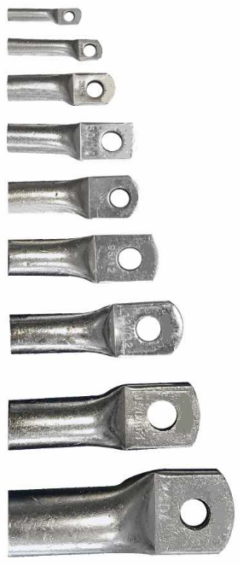 | A041000605 | A04101 | SKP-D 00605 46235 TİP KABLO PABUCU | AD | 0.000 | ₺
 | A041000606 | A04102 | SKP-D 00606 46235 TİP KABLO PABUCU | AD | 0.000 | ₺
 | A041000608 | A04103 | SKP-D 00608 46235 TİP KABLO PABUCU | AD | 0.000 | ₺
 | A041001005 | A04104 | SKP-D 01005 46235 TİP KABLO PABUCU | AD | 12.480 | ₺
 | A041001006 | A04105 | SKP-D 01006 46235 TİP KABLO PABUCU | AD | 12.480 | ₺
 | A041001008 | A04106 | SKP-D 01008 46235 TİP KABLO PABUCU | AD | 0.000 | ₺
 | A041001606 | A04107 | SKP-D 01606 46235 TİP KABLO PABUCU | AD | 26.950 | ₺
 | A041001608 | A04108 | SKP-D 01608 46235 TİP KABLO PABUCU | AD | 26.950 | ₺
 | A041001610 | A04109 | SKP-D 01610 46235 TİP KABLO PABUCU | AD | 26.950 | ₺
 | A041001612 | A04110 | SKP-D 01612 46235 TİP KABLO PABUCU | AD | 0.000 | ₺
 | A041002506 | A04111 | SKP-D 02506 46235 TİP KABLO PABUCU | AD | 35.950 | ₺
 | A041002508 | A04112 | SKP-D 02508 46235 TİP KABLO PABUCU | AD | 35.950 | ₺
 | A041002510 | A04113 | SKP-D 02510 46235 TİP KABLO PABUCU | AD | 35.950 | ₺
 | A041002512 | A04114 | SKP-D 02512 46235 TİP KABLO PABUCU | AD | 35.950 | ₺
 | A041003506 | A04115 | SKP-D 03506 46235 TİP KABLO PABUCU | AD | 0.000 | ₺
 | A041003508 | A04116 | SKP-D 03508 46235 TİP KABLO PABUCU | AD | 62.950 | ₺
 | A041003510 | A04117 | SKP-D 03510 46235 TİP KABLO PABUCU | AD | 62.950 | ₺
 | A041003512 | A04118 | SKP-D 03512 46235 TİP KABLO PABUCU | AD | 62.950 | ₺
 | A041003514 | A04119 | SKP-D 03512 46235 TİP KABLO PABUCU | AD | 0.000 | ₺
 | A041005008 | A04120 | SKP-D 05008 46235 TİP KABLO PABUCU | AD | 95.950 | ₺
 | A041005010 | A04121 | SKP-D 05010 46235 TİP KABLO PABUCU | AD | 95.950 | ₺
 | A041005012 | A04122 | SKP-D 05012 46235 TİP KABLO PABUCU | AD | 95.950 | ₺
 | A041005014 | A04123 | SKP-D 05014 46235 TİP KABLO PABUCU | AD | 0.000 | ₺
 | A041005016 | A04124 | SKP-D 05016 46235 TİP KABLO PABUCU | AD | 95.950 | ₺
 | A041007008 | A04125 | SKP-D 07008 46235 TİP KABLO PABUCU | AD | 134.950 | ₺
 | A041007010 | A04126 | SKP-D 07010 46235 TİP KABLO PABUCU | AD | 134.950 | ₺
 | A041007012 | A04127 | SKP-D 07012 46235 TİP KABLO PABUCU | AD | 134.950 | ₺
 | A041007014 | A04128 | SKP-D 07014 46235 TİP KABLO PABUCU | AD | 0.000 | ₺
 | A041007016 | A04129 | SKP-D 07016 46235 TİP KABLO PABUCU | AD | 134.950 | ₺
 | A041009508 | A04130 | SKP-D 09508 46235 TİP KABLO PABUCU | AD | 0.000 | ₺
 | A041009510 | A04131 | SKP-D 09510 46235 TİP KABLO PABUCU | AD | 182.950 | ₺
 | A041009512 | A04132 | SKP-D 09512 46235 TİP KABLO PABUCU | AD | 182.950 | ₺
 | A041009514 | A04133 | SKP-D 09514 46235 TİP KABLO PABUCU | AD | 0.000 | ₺
 | A041009516 | A04134 | SKP-D 09516 46235 TİP KABLO PABUCU | AD | 182.950 | ₺
 | A041012010 | A04135 | SKP-D 12010 46235 TİP KABLO PABUCU | AD | 247.950 | ₺
 | A041012012 | A04136 | SKP-D 12012 46235 TİP KABLO PABUCU | AD | 247.950 | ₺
 | A041012014 | A04137 | SKP-D 12014 46235 TİP KABLO PABUCU | AD | 0.000 | ₺
 | A041012016 | A04138 | SKP-D 12016 46235 TİP KABLO PABUCU | AD | 247.950 | ₺
 | A041012020 | A04139 | SKP-D 12020 46235 TİP KABLO PABUCU | AD | 247.950 | ₺
 | A041015010 | A04140 | SKP-D 15010 46235 TİP KABLO PABUCU | AD | 339.950 | ₺
 | A041015012 | A04141 | SKP-D 15012 46235 TİP KABLO PABUCU | AD | 339.950 | ₺
 | A041015014 | A04142 | SKP-D 15014 46235 TİP KABLO PABUCU | AD | 0.000 | ₺
 | A041015016 | A04143 | SKP-D 15016 46235 TİP KABLO PABUCU | AD | 339.950 | ₺
 | A041015020 | A04144 | SKP-D 15020 46235 TİP KABLO PABUCU | AD | 339.950 | ₺
 | A041018510 | A04145 | SKP-D 18510 46235 TİP KABLO PABUCU | AD | 384.950 | ₺
 | A041018512 | A04146 | SKP-D 18512 46235 TİP KABLO PABUCU | AD | 384.950 | ₺
 | A041018514 | A04147 | SKP-D 18514 46235 TİP KABLO PABUCU | AD | 0.000 | ₺
 | A041018516 | A04148 | SKP-D 18516 46235 TİP KABLO PABUCU | AD | 384.950 | ₺
 | A041018520 | A04149 | SKP-D 18520 46235 TİP KABLO PABUCU | AD | 384.950 | ₺
 | A041024012 | A04150 | SKP-D 24012 46235 TİP KABLO PABUCU | AD | 539.950 | ₺
 | A041024014 | A04151 | SKP-D 24014 46235 TİP KABLO PABUCU | AD | 0.000 | ₺
 | A041024016 | A04152 | SKP-D 24016 46235 TİP KABLO PABUCU | AD | 539.950 | ₺
 | A041024020 | A04153 | SKP-D 24020 46235 TİP KABLO PABUCU | AD | 539.950 | ₺
 | A041030014 | A04154 | SKP-D 30014 46235 TİP KABLO PABUCU | AD | 0.000 | ₺
 | A041030016 | A04155 | SKP-D 30016 46235 TİP KABLO PABUCU | AD | 649.950 | ₺
 | A041030020 | A04156 | SKP-D 30020 46235 TİP KABLO PABUCU | AD | 649.950 | ₺
 | A041040016 | A04157 | SKP-D 40016 46235 TİP KABLO PABUCU | AD | 0.000 | ₺
 | A041040020 | A04158 | SKP-D 40020 46235 TİP KABLO PABUCU | AD | 0.000 | ₺
 | A041050020 | A04159 | SKP-D 50020 46235 TİP KABLO PABUCU | AD | 0.000 | ₺
 | A041062520 | A04160 | SKP-D 62520 46235 TİP KABLO PABUCU | AD | 0.000 | ₺
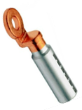 | A040001610 | A04001 | SKP-B 01610 BİMETAL(Al-Cu) KABLO PABUCU | AD | 81.950 | ₺
 | A040002510 | A04002 | SKP-B 02510 BİMETAL(Al-Cu) KABLO PABUCU | AD | 81.950 | ₺
 | A040003510 | A04003 | SKP-B 03510 BİMETAL(Al-Cu) KABLO PABUCU | AD | 81.950 | ₺
 | A040005012 | A04004 | SKP-B 05012 BİMETAL(Al-Cu) KABLO PABUCU | AD | 114.950 | ₺
 | A040007012 | A04005 | SKP-B 07012 BİMETAL(Al-Cu) KABLO PABUCU | AD | 114.950 | ₺
 | A040009512 | A04006 | SKP-B 09512 BİMETAL(Al-Cu) KABLO PABUCU | AD | 114.950 | ₺
 | A040012012 | A04007 | SKP-B 12012 BİMETAL(Al-Cu) KABLO PABUCU | AD | 199.950 | ₺
 | A040015012 | A04008 | SKP-B 15012 BİMETAL(Al-Cu) KABLO PABUCU | AD | 199.950 | ₺
 | A040018512 | A04009 | SKP-B 18512 BİMETAL(Al-Cu) KABLO PABUCU | AD | 329.950 | ₺
 | A040024012 | A04010 | SKP-B 24012 BİMETAL(Al-Cu) KABLO PABUCU | AD | 329.950 | ₺
 | A040030012 | A04011 | SKP-B 30012 BİMETAL(Al-Cu) KABLO PABUCU | AD | 399.950 | ₺
 | A040040012 | A04012 | SKP-B 40012 BİMETAL(Al-Cu) KABLO PABUCU | AD | 599.950 | ₺
 | A040001616 | A04013 | EK MUF-B 016 BİMETAL(Al-16/Cu-16) | AD | 0.000 | ₺
...
 | ANİPA FİYAT LİSTESİ OCAK 2024
 | MALZEME KODU | B2B SİPARİŞ KOD | MALZEME AÇIKLAMASI | BİRİM | LİSTE FİYATI | DÖVİZ CİNSİ
 | A040003525 | A04015 | EK MUF-B 035 BİMETAL(Al-35/Cu-25) | AD | 0.000 | ₺
 | A040005035 | A04016 | EK MUF-B 050 BİMETAL(Al-50/Cu-35) | AD | 0.000 | ₺
 | A040007050 | A04017 | EK MUF-B 070 BİMETAL(Al-70/Cu-50) | AD | 0.000 | ₺
 | A040009570 | A04018 | EK MUF-B 095 BİMETAL(Al-95/Cu-70) | AD | 0.000 | ₺
 | A040012095 | A04019 | EK MUF-B 120 BİMETAL(Al-120/Cu-95) | AD | 0.000 | ₺
 | A040150120 | A04020 | EK MUF-B 150 BİMETAL(Al-150/Cu-120) | AD | 0.000 | ₺
 | A040185150 | A04021 | EK MUF-B 185 BİMETAL(Al-185/Cu-150) | AD | 0.000 | ₺
 | A040240185 | A04022 | EK MUF-B 240 BİMETAL(Al-240/Cu-185) | AD | 0.000 | ₺
 | A040300240 | A04023 | EK MUF-B 300 BİMETAL(Al-300/Cu-240) | AD | 0.000 | ₺
 | A040400300 | A04024 | EK MUF-B 400 BİMETAL(Al-400/Cu-300) | AD | 0.000 | ₺
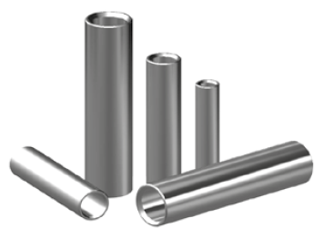 | A039001010 | A03960 | 10 mm² EK MUF | AD | 8.970 | ₺
 | A039001016 | A03961 | 16 mm² EK MUF | AD | 9.970 | ₺
 | A039001025 | A03962 | 25 mm² EK MUF | AD | 16.950 | ₺
 | A039001035 | A03963 | 35 mm² EK MUF | AD | 22.950 | ₺
 | A039001050 | A03964 | 50 mm² EK MUF | AD | 31.950 | ₺
 | A039001070 | A03965 | 70 mm² EK MUF | AD | 48.950 | ₺
 | A039001095 | A03966 | 95 mm² EK MUF | AD | 59.950 | ₺
 | A039001120 | A03967 | 120 mm² EK MUF | AD | 79.950 | ₺
 | A039001150 | A03968 | 150 mm² EK MUF | AD | 133.950 | ₺
 | A039001185 | A03969 | 185 mm² EK MUF | AD | 154.950 | ₺
 | A039001240 | A03970 | 240 mm² EK MUF | AD | 229.950 | ₺
 | A039001300 | A03971 | 300 mm² EK MUF | AD | 349.950 | ₺
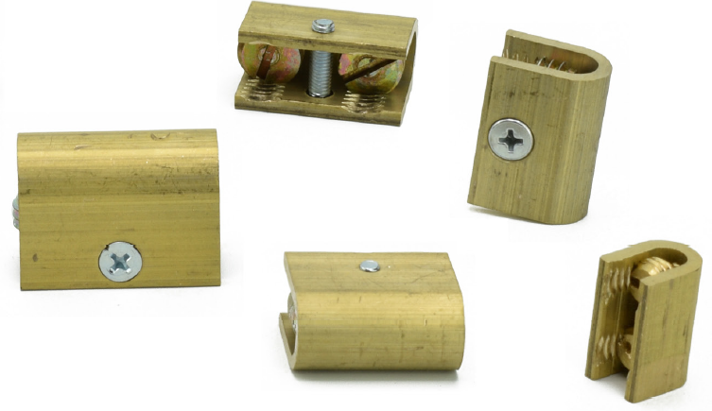 | A037004006 | A03730 | 6 mm² U KLEMENS | AD | 24.300 | ₺
 | A037004010 | A03731 | 10 mm² U KLEMENS | AD | 32.800 | ₺
 | A037004016 | A03732 | 16 mm² U KLEMENS | AD | 43.750 | ₺
 | A037004025 | A03733 | 25 mm² U KLEMENS | AD | 52.250 | ₺
 | A037004035 | A03734 | 35 mm² U KLEMENS | AD | 55.850 | ₺
 | A037004050 | A03735 | 50 mm² U KLEMENS | AD | 85.000 | ₺
 | A037004070 | A03736 | 70 mm² U KLEMENS | AD | 104.500 | ₺
 | A037004095 | A03737 | 95 mm² U KLEMENS | AD | 145.800 | ₺
 | A037004120 | A03738 | 120 mm² U KLEMENS | AD | 167.550 | ₺
 | A037004150 | A03739 | 150 mm² U KLEMENS | AD | 256.350 | ₺
 | A008023750 | A08001 | RAY 35x7.5 DELİKSİZ MONTAJ RAYI 30cm | AD | 0.000 | ₺
...
 | ANİPA FİYAT LİSTESİ OCAK 2024
 | MALZEME KODU | B2B SİPARİŞ KOD | MALZEME AÇIKLAMASI | BİRİM | LİSTE FİYATI | DÖVİZ CİNSİ
 | A008031610 | A08061 | BK 16/10 BARA KLEMENSİ YAY BASKILI 1.50-16mm²/x:10 | AD | 0.000 | ₺
 | A008033505 | A08062 | BK 35/05 BARA KLEMENSİ YAY BASKILI 1.50-35mm²/x:5 | AD | 0.000 | ₺
 | A008033510 | A08063 | BK 35/10 BARA KLEMENSİ YAY BASKILI 1.50-35mm²/x:10 | AD | 0.000 | ₺
 | A008037005 | A08064 | BK 70/05 BARA KLEMENSİ YAY BASKILI 16-70mm²/x:5 | AD | 0.000 | ₺
 | A008037010 | A08065 | BK 70/10 BARA KLEMENSİ YAY BASKILI 16-70mm²/x:10 | AD | 0.000 | ₺
 | A008031205 | A08066 | BK 120/05 BARA KLEMENSİ YAY BASKILI 16-120mm²/x:5 | AD | 0.000 | ₺
 | A008031210 | A08067 | BK 120/10 BARA KLEMENSİ YAY BASKILI 16-120mm²/x:10 | AD | 0.000 | ₺
 | A008029060 | A08068 | BARA TUTUCU SERFİL M6 | AD | 57.000 | ₺
 | A008029080 | A08069 | BARA TUTUCU SERFİL M8 | AD | 57.000 | ₺
 | A008029100 | A08070 | BARA TUTUCU SERFİL M10 | AD | 57.000 | ₺
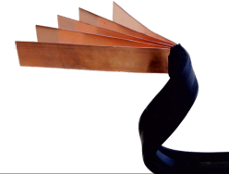 | A035013053 | A03501 | 13x0.5x3 İZOLELİ FLEXIBLE BARA (2 MT) | AD | 990.000 | ₺
 | A035015082 | A03502 | 15.5x0.8x2 İZOLELİ FLEXIBLE BARA (2 MT) | AD | 1,266.000 | ₺
 | A035020102 | A03503 | 20x1.0x2 İZOLELİ FLEXIBLE BARA (2 MT) | AD | 1,916.000 | ₺
 | A035020103 | A03504 | 20x1.0x3 İZOLELİ FLEXIBLE BARA (2 MT) | AD | 2,792.000 | ₺
 | A035024103 | A03505 | 24x1.0x3 İZOLELİ FLEXIBLE BARA (2 MT) | AD | 3,360.000 | ₺
 | A035024104 | A03506 | 24x1.0x4 İZOLELİ FLEXIBLE BARA (2 MT) | AD | 4,415.000 | ₺
 | A035032103 | A03507 | 32x1.0x3 İZOLELİ FLEXIBLE BARA (2 MT) | AD | 4,480.000 | ₺
 | A035024105 | A03508 | 24x1.0x5 İZOLELİ FLEXIBLE BARA (2 MT) | AD | 5,455.000 | ₺
 | A035032105 | A03509 | 32x1.0x5 İZOLELİ FLEXIBLE BARA (2 MT) | AD | 7,240.000 | ₺
 | A035032106 | A03510 | 32x1.0x6 İZOLELİ FLEXIBLE BARA (2 MT) | AD | 8,620.000 | ₺
 | A035040105 | A03511 | 40x1.0x5 İZOLELİ FLEXIBLE BARA (2 MT) | AD | 9,010.000 | ₺
...
 | ANİPA FİYAT LİSTESİ OCAK 2024
 | MALZEME KODU | B2B SİPARİŞ KOD | MALZEME AÇIKLAMASI | BİRİM | LİSTE FİYATI | DÖVİZ CİNSİ
 | A035063110 | A03518 | 63x1.0x10 İZOLELİ FLEXIBLE BARA (2 MT) | AD | 27,780.000 | ₺
 | A036013053 | A03519 | 13x0.5x3 İZOLELİ FLEXIBLE BARA (25mt RULO) | RULO | 0.000 | ₺
 | A036015082 | A03520 | 15.5x0.8x2 İZOLELİ FLEXIBLE BARA (25mt RULO) | RULO | 0.000 | ₺
 | A036020102 | A03521 | 20x1.0*2 İZOLELİ FLEXIBLE BARA (25mt RULO) | RULO | 0.000 | ₺
 | A037011505 | A03720 | FBK 15/05 FLEX BARA KLEMENSİ 15.5x5mm | AD | 115.200 | ₺
 | A037012005 | A03721 | FBK 20/05 FLEX BARA KLEMENSİ 20.0x5mm | AD | 131.600 | ₺
 | A037012405 | A03722 | FBK 24/05 FLEX BARA KLEMENSİ 24.0x5mm | AD | 148.100 | ₺
 | A037021510 | A03723 | FBK 15/10 FLEX BARA KLEMENSİ 15.5x10mm | AD | 115.200 | ₺
 | A037022010 | A03724 | FBK 20/10 FLEX BARA KLEMENSİ 20.0x10mm | AD | 131.600 | ₺
 | A037022410 | A03725 | FBK 24/10 FLEX BARA KLEMENSİ 24.0x10mm | AD | 148.100 | ₺
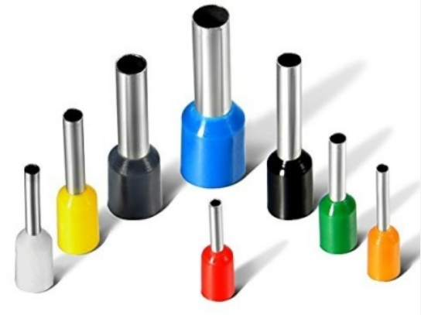 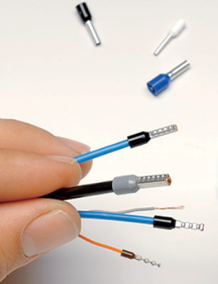 | A030010014 | A03001 | IC A-0.14 mm² İZOLELİ YÜKSÜK GRİ | AD | 0.655 | ₺
 | A030010025 | A03002 | IC A-0.25 mm² İZOLELİ YÜKSÜK MAVİ | AD | 0.655 | ₺
 | A030010034 | A03003 | IC A-0.34 mm² İZOLELİ YÜKSÜK TURKUAZ | AD | 0.655 | ₺
 | A030010050 | A03004 | IC A-0.50 mm² İZOLELİ YÜKSÜK TURUNCU | AD | 0.293 | ₺
 | A030010075 | A03005 | IC A-0.75 mm² İZOLELİ YÜKSÜK BEYAZ | AD | 0.293 | ₺
 | A030010100 | A03006 | IC A-1.00 mm² İZOLELİ YÜKSÜK SARI | AD | 0.293 | ₺
 | A030010150 | A03007 | IC A-1.50 mm² İZOLELİ YÜKSÜK KIRMIZI | AD | 0.323 | ₺
 | A030010250 | A03008 | IC A-2.50 mm² İZOLELİ YÜKSÜK MAVİ | AD | 0.415 | ₺
 | A030010400 | A03009 | IC A-4.00 mm² İZOLELİ YÜKSÜK GRİ | AD | 0.697 | ₺
 | A030010600 | A03010 | IC A-6.00 mm² İZOLELİ YÜKSÜK SİYAH | AD | 0.940 | ₺
 | A030011000 | A03011 | IC A-10.0 mm² İZOLELİ YÜKSÜK BEJ | AD | 1.195 | ₺
 | A030011600 | A03012 | IC A-16.0 mm² İZOLELİ YÜKSÜK YEŞİL | AD | 1.655 | ₺
 | A030012500 | A03013 | IC A-25.0 mm² İZOLELİ YÜKSÜK KAHVERENGİ | AD | 2.780 | ₺
 | A030013500 | A03014 | IC A-35.0 mm² İZOLELİ YÜKSÜK BEJ | AD | 3.450 | ₺
 | A030015000 | A03015 | IC A-50.0 mm² İZOLELİ YÜKSÜK YEŞİL | AD | 6.540 | ₺
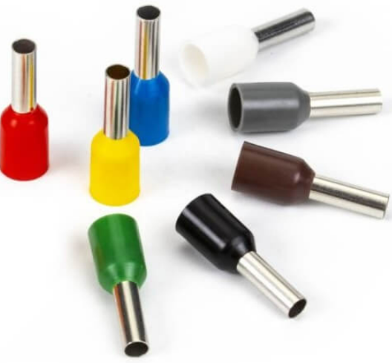 | A030020025 | A03016 | IC F-0.25 mm² İZOLELİ YÜKSÜK MENEKŞE | AD | 0.655 | ₺
 | A030020034 | A03017 | IC F-0.34 mm² İZOLELİ YÜKSÜK PEMBE | AD | 0.655 | ₺
 | A030020050 | A03018 | IC F-0.50 mm² İZOLELİ YÜKSÜK BEYAZ | AD | 0.293 | ₺
 | A030020075 | A03019 | IC F-0.75 mm² İZOLELİ YÜKSÜK MAVİ | AD | 0.293 | ₺
 | A030020100 | A03020 | IC F-1.00 mm² İZOLELİ YÜKSÜK KIRMIZI | AD | 0.293 | ₺
 | A030020150 | A03021 | IC F-1.50 mm² İZOLELİ YÜKSÜK SİYAH | AD | 0.323 | ₺
 | A030020250 | A03022 | IC F-2.50 mm² İZOLELİ YÜKSÜK GRİ | AD | 0.415 | ₺
 | A030020400 | A03023 | IC F-4.00 mm² İZOLELİ YÜKSÜK TURUNCU | AD | 0.697 | ₺
 | A030020600 | A03024 | IC F-6.00 mm² İZOLELİ YÜKSÜK YEŞİL | AD | 0.940 | ₺
 | A030021000 | A03025 | IC F-10.0 mm² İZOLELİ YÜKSÜK KAHVERENGİ | AD | 1.195 | ₺
 | A030021600 | A03026 | IC F-16.0 mm² İZOLELİ YÜKSÜK BEJ | AD | 1.655 | ₺
...
 | ANİPA FİYAT LİSTESİ OCAK 2024
 | MALZEME KODU | B2B SİPARİŞ KOD | MALZEME AÇIKLAMASI | BİRİM | LİSTE FİYATI | DÖVİZ CİNSİ
 | A030041600 | A03039 | IDF A-2x16 mm² ÇİFT GİRİŞ YÜKSÜK YEŞİL | AD | 3.230 | ₺
 | A030050050 | A03040 | IDF F-2x0.50 mm² ÇİFT GİRİŞ YÜKSÜK BEYAZ | AD | 0.525 | ₺
 | A030050075 | A03041 | IDF F-2x0.75 mm² ÇİFT GİRİŞ YÜKSÜK MAVİ | AD | 0.555 | ₺
 | A030050100 | A03042 | IDF F-2x1.00 mm² ÇİFT GİRİŞ YÜKSÜK KIRMIZI | AD | 0.596 | ₺
 | A030050150 | A03043 | IDF F-2x1.50 mm² ÇİFT GİRİŞ YÜKSÜK SİYAH | AD | 0.718 | ₺
 | A030050250 | A03044 | IDF F-2x2.50 mm² ÇİFT GİRİŞ YÜKSÜK GRİ | AD | 1.150 | ₺
 | A030050400 | A03045 | IDF F-2x4.00 mm² ÇİFT GİRİŞ YÜKSÜK TURUNCU | AD | 1.335 | ₺
 | A030050600 | A03046 | IDF F-2x6.00 mm² ÇİFT GİRİŞ YÜKSÜK YEŞİL | AD | 1.655 | ₺
 | A030051000 | A03047 | IDF F-2x10 mm² ÇİFT GİRİŞ YÜKSÜK KAHVERENGİ | AD | 2.545 | ₺
 | A030051600 | A03048 | IDF F-2x16 mm² ÇİFT GİRİŞ YÜKSÜK BEJ | AD | 3.230 | ₺
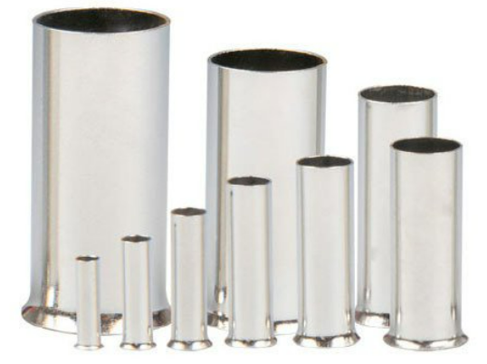 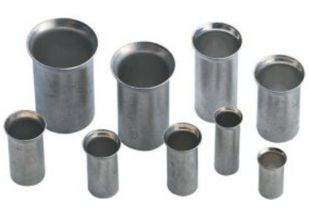 | A030030050 | A03049 | NIF-0.50 mm² İZOLESİZ YÜKSÜK | AD | 0.305 | ₺
 | A030030075 | A03050 | NIF-0.75 mm² İZOLESİZ YÜKSÜK | AD | 0.305 | ₺
 | A030030100 | A03051 | NIF-1.00 mm² İZOLESİZ YÜKSÜK | AD | 0.305 | ₺
 | A030030150 | A03052 | NIF-1.50 mm² İZOLESİZ YÜKSÜK | AD | 0.335 | ₺
 | A030030250 | A03053 | NIF-2.50 mm² İZOLESİZ YÜKSÜK | AD | 0.460 | ₺
 | A030030400 | A03054 | NIF-4.00 mm² İZOLESİZ YÜKSÜK | AD | 0.620 | ₺
 | A030030600 | A03055 | NIF-6.00 mm² İZOLESİZ YÜKSÜK | AD | 0.845 | ₺
 | A030031000 | A03056 | NIF-10.0 mm² İZOLESİZ YÜKSÜK | AD | 1.400 | ₺
 | A030031600 | A03057 | NIF-16.0 mm² İZOLESİZ YÜKSÜK | AD | 1.770 | ₺
 | A030032500 | A03058 | NIF-25.0 mm² İZOLESİZ YÜKSÜK | AD | 2.680 | ₺
 | A030033500 | A03059 | NIF-35.0 mm² İZOLESİZ YÜKSÜK | AD | 3.050 | ₺
 | A030035000 | A03060 | NIF-50.0 mm² İZOLESİZ YÜKSÜK | AD | 6.350 | ₺
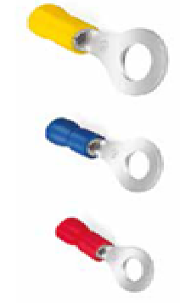 | A030100301 | A03061 | AYK-301 YUVARLAK KABLO UCU 0.5-1.5 mm² M3 KIRMIZI | AD | 0.950 | ₺
 | A030100351 | A03062 | AYK-351 YUVARLAK KABLO UCU 0.5-1.5 mm² M3.5 KIRMIZI | AD | 1.410 | ₺
 | A030100401 | A03063 | AYK-401 YUVARLAK KABLO UCU 0.5-1.5 mm² M4 KIRMIZI | AD | 1.410 | ₺
 | A030100501 | A03064 | AYK-501 YUVARLAK KABLO UCU 0.5-1.5 mm² M5 KIRMIZI | AD | 1.432 | ₺
 | A030100601 | A03065 | AYK-601 YUVARLAK KABLO UCU 0.5-1.5 mm² M6 KIRMIZI | AD | 2.265 | ₺
 | A030100801 | A03066 | AYK-801 YUVARLAK KABLO UCU 0.5-1.5 mm² M8 KIRMIZI | AD | 2.265 | ₺
 | A030100302 | A03067 | AYK-302 YUVARLAK KABLO UCU 1.5-2.5 mm² M3 MAVİ | AD | 1.750 | ₺
 | A030100402 | A03068 | AYK-402 YUVARLAK KABLO UCU 1.5-2.5 mm² M4 MAVİ | AD | 1.750 | ₺
 | A030100502 | A03069 | AYK-502 YUVARLAK KABLO UCU 1.5-2.5 mm² M5 MAVİ | AD | 1.770 | ₺
 | A030100602 | A03070 | AYK-602 YUVARLAK KABLO UCU 1.5-2.5 mm² M6 MAVİ | AD | 2.520 | ₺
 | A030100802 | A03071 | AYK-802 YUVARLAK KABLO UCU 1.5-2.5 mm² M8 MAVİ | AD | 2.520 | ₺
...
 | ANİPA FİYAT LİSTESİ OCAK 2024
 | MALZEME KODU | B2B SİPARİŞ KOD | MALZEME AÇIKLAMASI | BİRİM | LİSTE FİYATI | DÖVİZ CİNSİ
 | A030118006 | A03093 | AÇK-6006 ÇATAL KABLO UCU 4-6 mm² M8 SARI | AD | 5.185 | ₺
 | A030201251 | A03101 | ABY-251 İZOLELİ EK MUF 0.5-1.5 mm² KIRMIZI | AD | 2.015 | ₺
 | A030201252 | A03102 | ABY-252 İZOLELİ EK MUF 1.5-2.5 mm² MAVİ | AD | 2.015 | ₺
 | A030201256 | A03103 | ABY-256 İZOLELİ EK MUF 4-6 mm² SARI | AD | 3.425 | ₺
 | A030231040 | A03104 | ABE-1040 ERKEK TERMİNAL KABLO UCU 0.5-1.5 mm² | AD | 3.325 | ₺
 | A030232050 | A03105 | ABE-2050 ERKEK TERMİNAL KABLO UCU 1.0-2.5 mm² | AD | 3.830 | ₺
 | A030235050 | A03106 | ABE-5050 ERKEK TERMİNAL KABLO UCU 4-6 mm² | AD | 5.135 | ₺
 | A030241040 | A03107 | ABD-1040 DİŞİ TERMİNAL KABLO UCU 0.5-1.5 mm² | AD | 4.030 | ₺
 | A030242050 | A03108 | ABD-2050 DİŞİ TERMİNAL KABLO UCU 1.5-2.5 mm² | AD | 4.530 | ₺
 | A030245050 | A03109 | ABD-5050 DİŞİ TERMİNAL KABLO UCU 4-6 mm² | AD | 5.640 | ₺
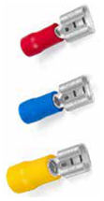 | A030101288 | A03110 | AFD-1288/5 DİŞİ FASTON KABLO UCU (0.5x2.80) | AD | 0.900 | ₺
 | A030201288 | A03111 | AFD-1288 DİŞİ FASTON KABLO UCU (0.8x2.80) | AD | 0.900 | ₺
 | A030101488 | A03112 | AFD-1488/5 DİŞİ FASTON KABLO UCU (0.5x4.75) | AD | 1.160 | ₺
 | A030201488 | A03113 | AFD-1488 DİŞİ FASTON KABLO UCU (0.8x4.75) | AD | 1.160 | ₺
 | A030201638 | A03114 | AFD-1638 DİŞİ FASTON KABLO UCU (0.8x6.35) | AD | 1.482 | ₺
 | A030202489 | A03115 | AFD-2288 DİŞİ FASTON KABLO UCU (0.8x2.80) | AD | 1.160 | ₺
 | A030202488 | A03116 | AFD-2488 DİŞİ FASTON KABLO UCU (0.8x4.75) | AD | 1.210 | ₺
 | A030202638 | A03117 | AFD-2638 DİŞİ FASTON KABLO UCU (0.8x6.35) | AD | 1.512 | ₺
 | A030205638 | A03118 | AFD-5638 DİŞİ FASTON KABLO UCU (0.8x6.35) | AD | 1.715 | ₺
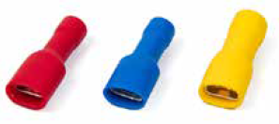 | A030111288 | A03119 | AFFD-1288/5 TAM İZL.DİŞİ FASTON K.UCU (0.5x2.80) | AD | 1.455 | ₺
 | A030211288 | A03120 | AFFD-1288 TAM İZL.DİŞİ FASTON K.UCU (0.8x2.80) | AD | 1.455 | ₺
 | A030111488 | A03121 | AFFD-1488/5 TAM İZL.DİŞİ FASTON K.UCU (0.5x4.75) | AD | 1.715 | ₺
 | A030211488 | A03122 | AFFD-1488 TAM İZL.DİŞİ FASTON K.UCU (0.8x4.75) | AD | 1.715 | ₺
 | A030211638 | A03123 | AFFD-1638TAM İZL.DİŞİ FASTON K.UCU (0.8x6.35) | AD | 2.015 | ₺
 | A030212288 | A03124 | AFFD-2288 TAM İZL.DİŞİ FASTON K.UCU (0.8x2.80) | AD | 1.715 | ₺
 | A030212488 | A03125 | AFFD-2488 TAM İZL.DİŞİ FASTON K.UCU (0.8x4.75) | AD | 1.765 | ₺
 | A030212638 | A03126 | AFFD-2638 TAM İZL.DİŞİ FASTON K.UCU (0.8x6.35) | AD | 2.115 | ₺
 | A030215638 | A03127 | AFFD-5638 TAM İZL.DİŞİ FASTON K.UCU (0.8x6.35) | AD | 2.420 | ₺
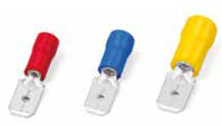 | A030221288 | A03128 | AFE-1288 ERKEK FASTON KABLO UCU (0.8x2.80) | AD | 0.960 | ₺
 | A030221488 | A03129 | AFE-1488 ERKEK FASTON KABLO UCU (0.8x4.75) | AD | 1.090 | ₺
 | A030221638 | A03130 | AFE-1638 ERKEK FASTON KABLO UCU (0.8x6.35) | AD | 1.390 | ₺
 | A030222288 | A03131 | AFE-2288 ERKEK FASTON KABLO UCU (0.8x2.80) | AD | 0.960 | ₺
 | A030222488 | A03132 | AFE-2488 ERKEK FASTON KABLO UCU (0.8x4.35) | AD | 1.210 | ₺
 | A030222638 | A03133 | AFE-2638 ERKEK FASTON KABLO UCU (0.8x6.35) | AD | 1.450 | ₺
 | A030225638 | A03134 | AFE-5638 ERKEK FASTON KABLO UCU (0.8x6.35) | AD | 1.715 | ₺
 | A030311638 | A03135 | APFD-1638 TAM İZL.POLYAMİD DİŞİ FASTON (0.8x6.35) | AD | 5.040 | ₺
 | A030312638 | A03136 | APFD-2638 TAM İZL.POLYAMİD DİŞİ FASTON (0.8x6.35) | AD | 5.040 | ₺
 | A030315638 | A03137 | APFD-5638 TAM İZL.POLYAMİD DİŞİ FASTON (0.8x6.35) | AD | 6.050 | ₺
 | A030250101 | A03138 | AIK-101 İĞNE TİP KABLO UCU 0.5-1.5 mm² KIRMIZI | AD | 1.515 | ₺
...
 | ANİPA FİYAT LİSTESİ OCAK 2024
 | MALZEME KODU | B2B SİPARİŞ KOD | MALZEME AÇIKLAMASI | BİRİM | LİSTE FİYATI | DÖVİZ CİNSİ
 | A030260101 | A03141 | ABK-101 BIÇAK TİP KABLO UCU 0.5-1.5 mm² KIRMIZI | AD | 1.550 | ₺
 | A030260102 | A03142 | ABK-102 BIÇAK TİP KABLO UCU 1.5-2.5 mm² MAVİ | AD | 1.800 | ₺
 | A030321861 | A03143 | AFDEG-1861 DİŞİ FASTON K.UCU(GERİ DÖNÜŞLÜ) 0.5-1.5 | AD | 2.820 | ₺
 | A030322862 | A03144 | AFDEG-2862 DİŞİ FASTON K.UCU(GERİ DÖNÜŞLÜ) 1.5-2.5 | AD | 2.920 | ₺
 | A030325866 | A03145 | AFDEG-5866 DİŞİ FASTON K.UCU(GERİ DÖNÜŞLÜ) 4-6mm² | AD | 3.325 | ₺
 | A030331861 | A03146 | APFDEB-1861 TAM İZL.POLYAMİD BAYRAK TRM.0.5-1.5mm² | AD | 3.725 | ₺
 | A030332862 | A03147 | APFDEB-2862 TAM İZL.POLYAMİD BAYRAK TRM.0.5-1.5mm² | AD | 3.725 | ₺
 | A030340515 | A03148 | AHKE 1 HIZLI KABLO EKLEME PARÇASI 0.5-1.5 mm² | AD | 2.100 | ₺
 | A030341525 | A03149 | AHKE 2 HIZLI KABLO EKLEME PARÇASI 1.5-2.5 mm² | AD | 2.100 | ₺
 | A030344060 | A03150 | AHKE 5 HIZLI KABLO EKLEME PARÇASI 4-6 mm² | AD | 3.400 | ₺
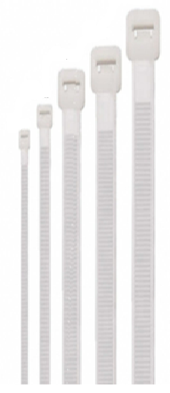 | A031125100 | A03151 | 2.5x100 BEYAZ KABLO BAĞI | AD | 0.220 | ₺
 | A031125150 | A03152 | 2.5x150 BEYAZ KABLO BAĞI | AD | 0.338 | ₺
 | A031125200 | A03153 | 2.5x200 BEYAZ KABLO BAĞI | AD | 0.478 | ₺
 | A031236150 | A03154 | 3.6x150 BEYAZ KABLO BAĞI | AD | 0.568 | ₺
 | A031236200 | A03155 | 3.6x200 BEYAZ KABLO BAĞI | AD | 0.748 | ₺
 | A031236250 | A03156 | 3.6x250 BEYAZ KABLO BAĞI | AD | 0.908 | ₺
 | A031236300 | A03157 | 3.6x300 BEYAZ KABLO BAĞI | AD | 1.148 | ₺
 | A031236370 | A03158 | 3.6x370 BEYAZ KABLO BAĞI | AD | 1.448 | ₺
 | A031348200 | A03159 | 4.8x200 BEYAZ KABLO BAĞI | AD | 1.058 | ₺
 | A031348250 | A03160 | 4.8x250 BEYAZ KABLO BAĞI | AD | 1.298 | ₺
 | A031348300 | A03161 | 4.8x300 BEYAZ KABLO BAĞI | AD | 1.588 | ₺
...
 | ANİPA FİYAT LİSTESİ OCAK 2024
 | MALZEME KODU | B2B SİPARİŞ KOD | MALZEME AÇIKLAMASI | BİRİM | LİSTE FİYATI | DÖVİZ CİNSİ
 | A031476370 | A03167 | 7.6x370 BEYAZ KABLO BAĞI | AD | 3.548 | ₺
 | A031476450 | A03168 | 7.6x450 BEYAZ KABLO BAĞI | AD | 4.148 | ₺
 | A031476550 | A03169 | 7.6x550 BEYAZ KABLO BAĞI | AD | 5.388 | ₺
 | A031476610 | A03170 | 7.6x610 BEYAZ KABLO BAĞI | AD | 6.150 | ₺
 | A031476750 | A03171 | 7.6x750 BEYAZ KABLO BAĞI | AD | 8.288 | ₺
 | A031590710 | A03172 | 9.0x710 BEYAZ KABLO BAĞI | AD | 9.100 | ₺
 | A031590780 | A03173 | 9.0x780 BEYAZ KABLO BAĞI | AD | 10.998 | ₺
 | A031590920 | A03174 | 9.0x920 BEYAZ KABLO BAĞI | AD | 12.448 | ₺
 | A031591020 | A03175 | 9,0X1020 BEYAZ KABLO BAĞI | AD | 13.250 | ₺
 | A031591220 | A03176 | 9,0X1220 BEYAZ KABLO BAĞI | AD | 16.500 | ₺
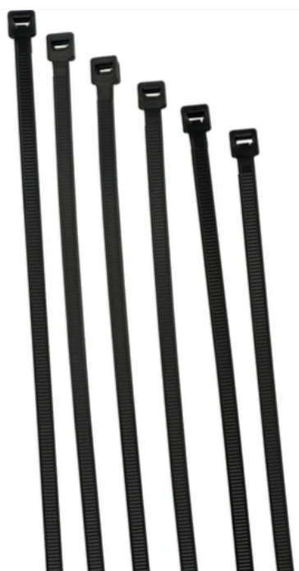 | A032125100 | A03201 | 2.5x100 SİYAH KABLO BAĞI | AD | 0.220 | ₺
 | A032125150 | A03202 | 2.5x150 SİYAH KABLO BAĞI | AD | 0.338 | ₺
 | A032125200 | A03203 | 2.5x200 SİYAH KABLO BAĞI | AD | 0.478 | ₺
 | A032236150 | A03204 | 3.6x150 SİYAH KABLO BAĞI | AD | 0.568 | ₺
 | A032236200 | A03205 | 3.6x200 SİYAH KABLO BAĞI | AD | 0.748 | ₺
 | A032236250 | A03206 | 3.6x250 SİYAH KABLO BAĞI | AD | 0.908 | ₺
 | A032236300 | A03207 | 3.6x300 SİYAH KABLO BAĞI | AD | 1.148 | ₺
 | A032236370 | A03208 | 3.6x370 SİYAH KABLO BAĞI | AD | 1.448 | ₺
 | A032348200 | A03209 | 4.8x200 SİYAH KABLO BAĞI | AD | 1.058 | ₺
 | A032348250 | A03210 | 4.8x250 SİYAH KABLO BAĞI | AD | 1.298 | ₺
 | A032348300 | A03211 | 4.8x300 SİYAH KABLO BAĞI | AD | 1.588 | ₺
...
 | ANİPA FİYAT LİSTESİ OCAK 2024
 | MALZEME KODU | B2B SİPARİŞ KOD | MALZEME AÇIKLAMASI | BİRİM | LİSTE FİYATI | DÖVİZ CİNSİ
 | A032476370 | A03217 | 7.6x370 SİYAH KABLO BAĞI | AD | 3.548 | ₺
 | A032476450 | A03218 | 7.6x450 SİYAH KABLO BAĞI | AD | 4.148 | ₺
 | A032476550 | A03219 | 7.6x550 SİYAH KABLO BAĞI | AD | 5.388 | ₺
 | A032476610 | A03220 | 7.6x610 SİYAH KABLO BAĞI | AD | 6.150 | ₺
 | A032476750 | A03221 | 7.6x750 SİYAH KABLO BAĞI | AD | 8.288 | ₺
 | A032590710 | A03222 | 9.0x710 SİYAH KABLO BAĞI | AD | 9.100 | ₺
 | A032590780 | A03223 | 9.0x780 SİYAH KABLO BAĞI | AD | 10.998 | ₺
 | A032590920 | A03224 | 9.0x920 SİYAH KABLO BAĞI | AD | 12.448 | ₺
 | A032591020 | A03225 | 9.0x1020 SİYAH KABLO BAĞI | AD | 0.000 | ₺
 | A032591220 | A03226 | 9.0x1220 SİYAH KABLO BAĞI | AD | 0.000 | ₺
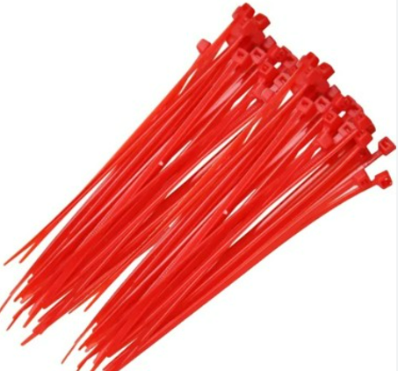 | A033125100 | A03301 | 2.5x100 KIRMIZI KABLO BAĞI | AD | 0.245 | ₺
 | A033136150 | A03302 | 3.6x150 KIRMIZI KABLO BAĞI | AD | 0.592 | ₺
 | A033136200 | A03303 | 3.6x200 KIRMIZI KABLO BAĞI | AD | 0.815 | ₺
 | A033136250 | A03304 | 3.6x250 KIRMIZI KABLO BAĞI | AD | 0.965 | ₺
 | A033136300 | A03305 | 3.6x300 KIRMIZI KABLO BAĞI | AD | 1.225 | ₺
 | A033148200 | A03306 | 4.8x200 KIRMIZI KABLO BAĞI | AD | 1.120 | ₺
 | A033148250 | A03307 | 4.8x250 KIRMIZI KABLO BAĞI | AD | 1.395 | ₺
 | A033148300 | A03308 | 4.8x300 KIRMIZI KABLO BAĞI | AD | 1.680 | ₺
 | A033148370 | A03309 | 4.8x370 KIRMIZI KABLO BAĞI | AD | 1.990 | ₺
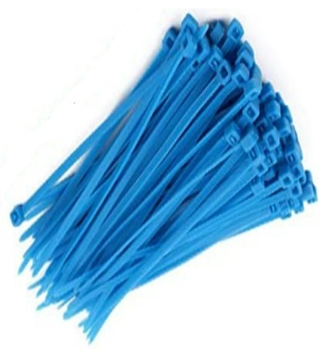 | A034125100 | A03401 | 2.5x100 MAVİ KABLO BAĞI | AD | 0.245 | ₺
 | A034136150 | A03402 | 3.6x150 MAVİ KABLO BAĞI | AD | 0.592 | ₺
 | A034136200 | A03403 | 3.6x200 MAVİ KABLO BAĞI | AD | 0.815 | ₺
 | A034136250 | A03404 | 3.6x250 MAVİ KABLO BAĞI | AD | 0.965 | ₺
 | A034136300 | A03405 | 3.6x300 MAVİ KABLO BAĞI | AD | 1.225 | ₺
 | A034148200 | A03406 | 4.8x200 MAVİ KABLO BAĞI | AD | 1.120 | ₺
 | A034148250 | A03407 | 4.8x250 MAVİ KABLO BAĞI | AD | 1.395 | ₺
 | A034148300 | A03408 | 4.8x300 MAVİ KABLO BAĞI | AD | 1.680 | ₺
 | A034148370 | A03409 | 4.8x370 MAVİ KABLO BAĞI | AD | 1.990 | ₺
 | A035125100 | A03551 | 2.5x100 SARI KABLO BAĞI | AD | 0.245 | ₺
 | A035136150 | A03552 | 3.6x150 SARI KABLO BAĞI | AD | 0.592 | ₺
 | A035136200 | A03553 | 3.6x200 SARI KABLO BAĞI | AD | 0.815 | ₺
 | A035136250 | A03554 | 3.6x250 SARI KABLO BAĞI | AD | 0.965 | ₺
 | A035136300 | A03555 | 3.6x300 SARI KABLO BAĞI | AD | 1.225 | ₺
 | A035148200 | A03556 | 4.8x200 SARI KABLO BAĞI | AD | 1.120 | ₺
 | A035148250 | A03557 | 4.8x250 SARI KABLO BAĞI | AD | 1.395 | ₺
 | A035148300 | A03558 | 4.8x300 SARI KABLO BAĞI | AD | 1.680 | ₺
 | A035148370 | A03559 | 4.8x370 SARI KABLO BAĞI | AD | 1.990 | ₺
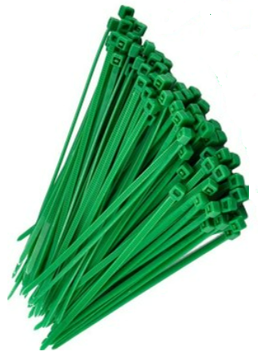 | A036125100 | A03601 | 2.5x100 YEŞİL KABLO BAĞI | AD | 0.245 | ₺
 | A036136150 | A03602 | 3.6x150 YEŞİL KABLO BAĞI | AD | 0.592 | ₺
 | A036136200 | A03603 | 3.6x200 YEŞİL KABLO BAĞI | AD | 0.815 | ₺
 | A036136250 | A03604 | 3.6x250 YEŞİL KABLO BAĞI | AD | 0.965 | ₺
 | A036136300 | A03605 | 3.6x300 YEŞİL KABLO BAĞI | AD | 1.225 | ₺
 | A036148200 | A03606 | 4.8x200 YEŞİL KABLO BAĞI | AD | 1.120 | ₺
 | A036148250 | A03607 | 4.8x250 YEŞİL KABLO BAĞI | AD | 1.395 | ₺
 | A036148300 | A03608 | 4.8x300 YEŞİL KABLO BAĞI | AD | 1.680 | ₺
 | A036148370 | A03609 | 4.8x370 YEŞİL KABLO BAĞI | AD | 1.990 | ₺
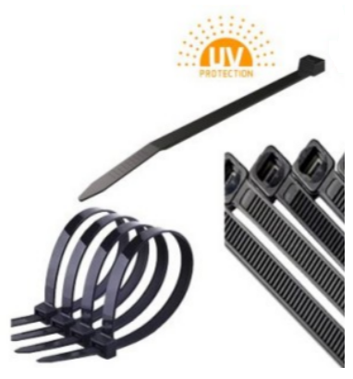 | A037125100 | A03701 | 2.5x100 ULTRAVİOLE KABLO BAĞI | AD | 0.255 | ₺
 | A037125150 | A03702 | 2.5x150 ULTRAVİOLE KABLO BAĞI | AD | 0.380 | ₺
 | A037125200 | A03703 | 2.5x200 ULTRAVİOLE KABLO BAĞI | AD | 0.550 | ₺
 | A037136150 | A03704 | 3.6x150 ULTRAVİOLE KABLO BAĞI | AD | 0.612 | ₺
 | A037136200 | A03705 | 3.6x200 ULTRAVİOLE KABLO BAĞI | AD | 0.845 | ₺
 | A037136250 | A03706 | 3.6x250 ULTRAVİOLE KABLO BAĞI | AD | 1.020 | ₺
 | A037136300 | A03707 | 3.6x300 ULTRAVİOLE KABLO BAĞI | AD | 1.255 | ₺
 | A037148200 | A03708 | 4.8x200 ULTRAVİOLE KABLO BAĞI | AD | 1.140 | ₺
 | A037148250 | A03709 | 4.8x250 ULTRAVİOLE KABLO BAĞI | AD | 1.425 | ₺
 | A037148300 | A03710 | 4.8x300 ULTRAVİOLE KABLO BAĞI | AD | 1.785 | ₺
 | A037148370 | A03711 | 4.8x370 ULTRAVİOLE KABLO BAĞI | AD | 2.040 | ₺
...
 | ANİPA FİYAT LİSTESİ OCAK 2024
 | MALZEME KODU | B2B SİPARİŞ KOD | MALZEME AÇIKLAMASI | BİRİM | LİSTE FİYATI | DÖVİZ CİNSİ
 | A010125407 | A01014 | 125A 4Px7 MODÜLER DAĞITICI ÜNİTE | AD | 460.000 | ₺
 | A010125411 | A01015 | 125A 4Px11 MODÜLER DAĞITICI ÜNİTE | AD | 618.000 | ₺
 | A010102515 | A01016 | 125A 4Px15 MODÜLER DAĞITICI ÜNİTE | AD | 768.000 | ₺
 | A010160412 | A01017 | 160A 4Px12 MODÜLER DAĞITICI ÜNİTE | AD | 1,750.000 | ₺
 | A010101080 | A01018 | 80A 1P MODÜLER DAĞITICI ÜNİTE | AD | 189.000 | ₺
 | A010101125 | A01019 | 125A 1P MODÜLER DAĞITICI ÜNİTE | AD | 389.000 | ₺
 | A010101160 | A01020 | 160A 1P MODÜLER DAĞITICI ÜNİTE | AD | 395.000 | ₺
 | A010101250 | A01021 | 250A 1P MODÜLER DAĞITICI ÜNİTE | AD | 1,139.000 | ₺
 | A010101400 | A01022 | 400A 1P MODÜLER DAĞITICI ÜNİTE | AD | 1,199.000 | ₺
 | A010101500 | A01023 | 500A 1P MODÜLER DAĞITICI ÜNİTE | AD | 1,299.000 | ₺
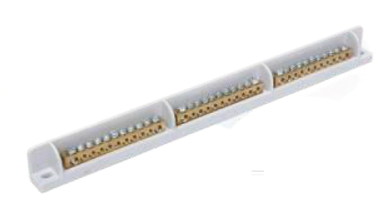 | A010102100 | A01024 | 80A 1P İÇ BARA MODÜLER NÖRT KLEMENS | AD | 59.500 | ₺
 | A010102111 | A01025 | 80A 1P MODÜLER NÖRT KLEMENS 1x11 | AD | 115.500 | ₺
 | A010102211 | A01026 | 80A 2P MODÜLER NÖRT KLEMENS 2x11 | AD | 206.500 | ₺
 | A010102311 | A01027 | 80A 3P MODÜLER NÖRT KLEMENS 3x11 | AD | 219.000 | ₺
 | A010102808 | A01028 | 80A 2P ÇİFT KATLI MODÜLER NÖRT KLEMENS 2x8+2x8 | AD | 0.000 | ₺
 | A010102812 | A01029 | 80A 2P ÇİFT KATLI MODÜLER NÖRT KLEMENS 2x8+2x12 | AD | 0.000 | ₺
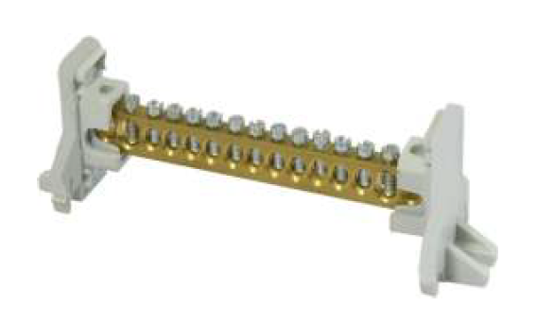 | A010125107 | A01030 | 125A 1P NÖTR KLEMENS 2+5 DELİKLİ (7x12) KAPAKSIZ | AD | 102.900 | ₺
 | A010125110 | A01031 | 125A 1P NÖTR KLEMENS 2+8 DELİKLİ (7x12) KAPAKSIZ | AD | 115.000 | ₺
 | A010125112 | A01032 | 125A 1P NÖTR KLEMENS 2+10 DELİKLİ (7x12) KAPAKSIZ | AD | 121.100 | ₺
 | A010125115 | A01033 | 125A 1P NÖTR KLEMENS 2+13 DELİKLİ (7x12) KAPAKSIZ | AD | 193.700 | ₺
 | A010125120 | A01034 | 125A 1P NÖTR KLEMENS 2+18 DELİKLİ (7x12) KAPAKSIZ | AD | 230.000 | ₺
 | A010125122 | A01035 | 125A 1P NÖTR KLEMENS 2+20 DELİKLİ (7x12) KAPAKSIZ | AD | 266.400 | ₺
 | A010125125 | A01036 | 125A 1P NÖTR KLEMENS 2+23 DELİKLİ (7x12) KAPAKSIZ | AD | 278.500 | ₺
 | A010160107 | A01037 | 160A 1P NÖTR KLEMENS 2+5 DELİKLİ (10x15) KAPAKSIZ | AD | 265.000 | ₺
 | A010160110 | A01038 | 160A 1P NÖTR KLEMENS 2+8 DELİKLİ (10x15) KAPAKSIZ | AD | 324.000 | ₺
 | A010160112 | A01039 | 160A 1P NÖTR KLEMENS 2+10 DELİKLİ (10x15) KAPAKSIZ | AD | 373.000 | ₺
 | A010160115 | A01040 | 160A 1P NÖTR KLEMENS 2+13 DELİKLİ (10x15) KAPAKSIZ | AD | 442.000 | ₺
 | A010160120 | A01041 | 160A 1P NÖTR KLEMENS 2+18 DELİKLİ (10x15) KAPAKSIZ | AD | 580.000 | ₺
 | A010160122 | A01042 | 160A 1P NÖTR KLEMENS 2+20 DELİKLİ (10x15) KAPAKSIZ | AD | 620.000 | ₺
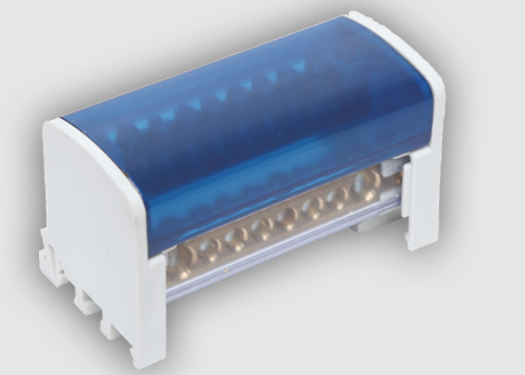 | A010208007 | A01043 | 80A 2P DAĞITICI ÜNİTE 2+5 DELİKLİ (6.5x9) KAPAKLI | AD | 206.000 | ₺
 | A010208010 | A01044 | 80A 2P DAĞITICI ÜNİTE 2+8 DELİKLİ (6.5x9) KAPAKLI | AD | 242.500 | ₺
 | A010208012 | A01045 | 80A 2P DAĞITICI ÜNİTE 2+10 DELİKLİ (6.5x9) KAPAKLI | AD | 266.750 | ₺
 | A010208015 | A01046 | 80A 2P DAĞITICI ÜNİTE 2+13 DELİKLİ (6.5x9) KAPAKLI | AD | 351.500 | ₺
 | A010208020 | A01047 | 80A 2P DAĞITICI ÜNİTE 2+18 DELİKLİ (6.5x9) KAPAKLI | AD | 460.500 | ₺
 | A010208022 | A01048 | 80A 2P DAĞITICI ÜNİTE 2+20 DELİKLİ (6.5x9) KAPAKLI | AD | 485.000 | ₺
 | A010208025 | A01049 | 80A 2P DAĞITICI ÜNİTE 2+23 DELİKLİ (6.5x9) KAPAKLI | AD | 551.000 | ₺
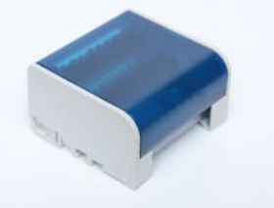 | A010212507 | A01050 | 125A 2P DAĞITICI ÜNİTE 2+5 DELİKLİ (7x12) KAPAKLI | AD | 247.000 | ₺
 | A010212510 | A01051 | 125A 2P DAĞITICI ÜNİTE 2+8 DELİKLİ (7x12) KAPAKLI | AD | 263.000 | ₺
 | A010212512 | A01052 | 125A 2P DAĞITICI ÜNİTE 2+10 DELİKLİ (7x12) KAPAKLI | AD | 320.000 | ₺
 | A010212515 | A01053 | 125A 2P DAĞITICI ÜNİTE 2+13 DELİKLİ (7x12) KAPAKLI | AD | 410.000 | ₺
 | A010212520 | A01054 | 125A 2P DAĞITICI ÜNİTE 2+18 DELİKLİ (7x12) KAPAKLI | AD | 485.000 | ₺
 | A010212522 | A01055 | 125A 2P DAĞITICI ÜNİTE 2+20 DELİKLİ (7x12) KAPAKLI | AD | 522.000 | ₺
 | A010212525 | A01056 | 125A 2P DAĞITICI ÜNİTE 2+23 DELİKLİ (7x12) KAPAKLI | AD | 593.000 | ₺
 | A010308007 | A01057 | 80A 3P DAĞITICI ÜNİTE 2+5 DELİKLİ (7x12) KAPAKLI | AD | 415.000 | ₺
 | A010308010 | A01058 | 80A 3P DAĞITICI ÜNİTE 2+8 DELİKLİ (7x12) KAPAKLI | AD | 437.000 | ₺
 | A010308012 | A01059 | 80A 3P DAĞITICI ÜNİTE 2+10 DELİKLİ (7x12) KAPAKLI | AD | 500.000 | ₺
 | A010308015 | A01060 | 80A 3P DAĞITICI ÜNİTE 2+13 DELİKLİ (7x12) KAPAKLI | AD | 600.000 | ₺
...
 | ANİPA FİYAT LİSTESİ OCAK 2024
 | MALZEME KODU | B2B SİPARİŞ KOD | MALZEME AÇIKLAMASI | BİRİM | LİSTE FİYATI | DÖVİZ CİNSİ
 | A010112512 | A10128 | 125A 12 DELİKLİ PANO TOPRAKLAMA KLEMENS (7x12) | AD | 134.000 | ₺
 | A010112515 | A10129 | 125A 15 DELİKLİ PANO TOPRAKLAMA KLEMENS (7x12) | AD | 163.100 | ₺
 | A010112522 | A10130 | 125A 22 DELİKLİ PANO TOPRAKLAMA KLEMENS (7x12) | AD | 242.500 | ₺
 | A010112532 | A10131 | 125A 32 DELİKLİ PANO TOPRAKLAMA KLEMENS (7x12) | AD | 340.750 | ₺
 | A010112542 | A10132 | 125A 42 DELİKLİ PANO TOPRAKLAMA KLEMENS (7x12) | AD | 444.550 | ₺
 | A010112562 | A10133 | 125A 62 DELİKLİ PANO TOPRAKLAMA KLEMENS (7x12) | AD | 634.250 | ₺
 | A010112582 | A10134 | 125A 82 DELİKLİ PANO TOPRAKLAMA KLEMENS (7x12) | AD | 827.000 | ₺
 | A010180100 | A10135 | 80 1 MT DELİKLİ PANO TOPRAKLAMA KLEMENS (6.5x9) | AD | 1,213.000 | ₺
 | A010125100 | A10136 | 125A 1 MT DELİKLİ PANO TOPRAKLAMA KLEMENS (7x12) | AD | 1,455.000 | ₺
 | A010160100 | A10137 | 160A 1 MT DELİKLİ PANO TOPRAKLAMA KLEMENS (10x15) | AD | 2,695.000 | ₺
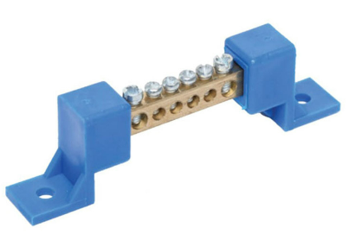 | A010508006 | A10138 | 80A 6 DELİKLİ AYAKLI PANO NÖTR KLEMENS (6.5x9) | AD | 53.350 | ₺
 | A010508007 | A10139 | 80A 7 DELİKLİ AYAKLI PANO NÖTR KLEMENS (6.5x9) | AD | 58.200 | ₺
 | A010508009 | A10140 | 80A 9 DELİKLİ AYAKLI PANO NÖTR KLEMENS (6.5x9) | AD | 64.300 | ₺
 | A010508010 | A10141 | 80A 10 DELİKLİ AYAKLI PANO NÖTR KLEMENS (6.5x9) | AD | 71.550 | ₺
 | A010508012 | A10142 | 80A 12 DELİKLİ AYAKLI PANO NÖTR KLEMENS (6.5x9) | AD | 75.200 | ₺
 | A010508015 | A10143 | 80A 15 DELİKLİ AYAKLI PANO NÖTR KLEMENS (6.5x9) | AD | 90.950 | ₺
 | A010508020 | A10144 | 80A 20 DELİKLİ AYAKLI PANO NÖTR KLEMENS (6.5x9) | AD | 117.650 | ₺
 | A010508022 | A10145 | 80A 22 DELİKLİ AYAKLI PANO NÖTR KLEMENS (6.5x9) | AD | 148.000 | ₺
 | A010508025 | A10146 | 80A 25 DELİKLİ AYAKLI PANO NÖTR KLEMENS (6.5x9) | AD | 151.550 | ₺
 | A010508030 | A10147 | 80A 30 DELİKLİ AYAKLI PANO NÖTR KLEMENS (6.5x9) | AD | 224.350 | ₺
 | A010508032 | A10148 | 80A 32 DELİKLİ AYAKLI PANO NÖTR KLEMENS (6.5x9) | AD | 230.500 | ₺
...
 | ANİPA FİYAT LİSTESİ OCAK 2024
 | MALZEME KODU | B2B SİPARİŞ KOD | MALZEME AÇIKLAMASI | BİRİM | LİSTE FİYATI | DÖVİZ CİNSİ
 | A026010510 | A02644 | 51 mm SİYAH DARALAN MAKARON | MT | 4.000 | $
 | A026010600 | A02645 | 60 mm SİYAH DARALAN MAKARON | MT | 5.380 | $
 | A026010700 | A02646 | 70 mm SİYAH DARALAN MAKARON | MT | 7.180 | $
 | A026010760 | A02647 | 76 mm SİYAH DARALAN MAKARON | MT | 0.000 | $
 | A026010800 | A02648 | 80 mm SİYAH DARALAN MAKARON | MT | 7.920 | $
 | A026010900 | A02649 | 90 mm SİYAH DARALAN MAKARON | MT | 8.980 | $
 | A026011020 | A02650 | 102 mm SİYAH DARALAN MAKARON | MT | 10.000 | $
 | A026011200 | A02651 | 120 mm SİYAH DARALAN MAKARON | MT | 13.730 | $
 | A026011500 | A02652 | 150 mm SİYAH DARALAN MAKARON | MT | 20.000 | $
 | A026011800 | A02653 | 180 mm SİYAH DARALAN MAKARON | MT | 28.500 | $
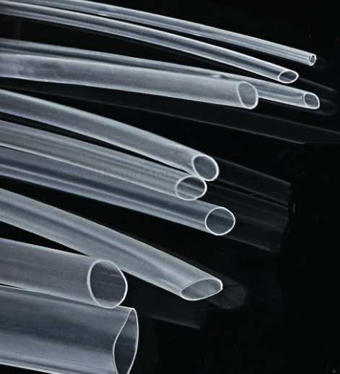 | A026130015 | A02654 | 1,5 mm ŞEFFAF DARALAN MAKARON | MT | 0.116 | $
 | A026130024 | A02655 | 2,4 mm ŞEFFAF DARALAN MAKARON | MT | 0.000 | $
 | A026130025 | A02656 | 2,5 mm ŞEFFAF DARALAN MAKARON | MT | 0.179 | $
 | A026130032 | A02657 | 3,2 mm ŞEFFAF DARALAN MAKARON | MT | 0.211 | $
 | A026130048 | A02658 | 4,8 mm ŞEFFAF DARALAN MAKARON | MT | 0.285 | $
 | A026130050 | A02659 | 5,0 mm ŞEFFAF DARALAN MAKARON | MT | 0.285 | $
 | A026130064 | A02660 | 6,4 mm ŞEFFAF DARALAN MAKARON | MT | 0.348 | $
 | A026130095 | A02661 | 9,5 mm ŞEFFAF DARALAN MAKARON | MT | 0.411 | $
 | A026130100 | A02662 | 10 mm ŞEFFAF DARALAN MAKARON | MT | 0.000 | $
 | A026130130 | A02663 | 13 mm ŞEFFAF DARALAN MAKARON | MT | 0.580 | $
 | A026130160 | A02664 | 16 mm ŞEFFAF DARALAN MAKARON | MT | 0.895 | $
...
 | ANİPA FİYAT LİSTESİ OCAK 2024
 | MALZEME KODU | B2B SİPARİŞ KOD | MALZEME AÇIKLAMASI | BİRİM | LİSTE FİYATI | DÖVİZ CİNSİ
 | A026130254 | A02667 | 25,4 mm ŞEFFAF DARALAN MAKARON | MT | 2.000 | $
 | A026130320 | A02668 | 32 mm ŞEFFAF DARALAN MAKARON | MT | 2.530 | $
 | A026130350 | A02669 | 35 mm ŞEFFAF DARALAN MAKARON | MT | 0.000 | $
 | A026130380 | A02670 | 38 mm ŞEFFAF DARALAN MAKARON | MT | 3.795 | $
 | A026130510 | A02671 | 51 mm ŞEFFAF DARALAN MAKARON | MT | 4.430 | $
 | A026130600 | A02672 | 60 mm ŞEFFAF DARALAN MAKARON | MT | 6.110 | $
 | A026130760 | A02673 | 76 mm ŞEFFAF DARALAN MAKARON | MT | 0.000 | $
 | A026130800 | A02674 | 80 mm ŞEFFAF DARALAN MAKARON | MT | 8.425 | $
 | A026131020 | A02675 | 102 mm ŞEFFAF DARALAN MAKARON | MT | 11.600 | $
 | A026131200 | A02676 | 120 mm ŞEFFAF DARALAN MAKARON | MT | 0.000 | $
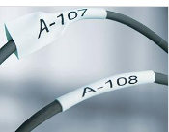 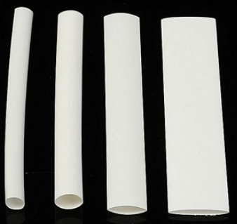 | A026030015 | A02677 | 1,5 mm BEYAZ DARALAN MAKARON | MT | 0.116 | $
 | A026030020 | A02678 | 2,0 mm BEYAZ DARALAN MAKARON | MT | 0.000 | $
 | A026030024 | A02679 | 2,4 mm BEYAZ DARALAN MAKARON | MT | 0.000 | $
 | A026030025 | A02680 | 2,5 mm BEYAZ DARALAN MAKARON | MT | 0.179 | $
 | A026030032 | A02681 | 3,2 mm BEYAZ DARALAN MAKARON | MT | 0.211 | $
 | A026030032Y | A02682 | 3,2 mm YASSI BEYAZ DARALAN MAKARON | MT | 0.000 | $
 | A026030035 | A02683 | 3,5 mm BEYAZ DARALAN MAKARON | MT | 0.221 | $
 | A026030035Y | A02684 | 3,5 mm YASSI BEYAZ DARALAN MAKARON | MT | 0.221 | $
 | A026030048 | A02685 | 4,8 mm BEYAZ DARALAN MAKARON | MT | 0.285 | $
 | A026030048Y | A02686 | 4,8 mm YASSI BEYAZ DARALAN MAKARON | MT | 0.285 | $
 | A026030064 | A02687 | 6,4 mm BEYAZ DARALAN MAKARON | MT | 0.348 | $
...
 | ANİPA FİYAT LİSTESİ OCAK 2024
 | MALZEME KODU | B2B SİPARİŞ KOD | MALZEME AÇIKLAMASI | BİRİM | LİSTE FİYATI | DÖVİZ CİNSİ
 | A026030254 | A02695 | 25,4 mm BEYAZ DARALAN MAKARON | MT | 2.000 | $
 | A026030320 | A02696 | 32 mm BEYAZ DARALAN MAKARON | MT | 2.530 | $
 | A026030350 | A02697 | 35 mm BEYAZ DARALAN MAKARON | MT | 0.000 | $
 | A026030380 | A02698 | 38 mm BEYAZ DARALAN MAKARON | MT | 3.795 | $
 | A026030510 | A02699 | 51 mm BEYAZ DARALAN MAKARON | MT | 4.430 | $
 | A026030600 | A02700 | 60 mm BEYAZ DARALAN MAKARON | MT | 6.110 | $
 | A026030760 | A02701 | 76 mm BEYAZ DARALAN MAKARON | MT | 0.000 | $
 | A026030800 | A02702 | 80 mm BEYAZ DARALAN MAKARON | MT | 8.425 | $
 | A026031020 | A02703 | 102 mm BEYAZ DARALAN MAKARON | MT | 11.600 | $
 | A026031200 | A02704 | 120 mm BEYAZ DARALAN MAKARON | MT | 0.000 | $
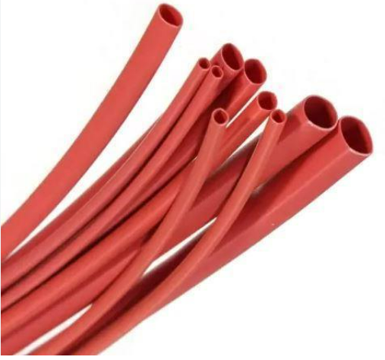 | A026230015 | A02705 | 1,5 mm KIRMIZI DARALAN MAKARON | MT | 0.116 | $
 | A026230024 | A02706 | 2,4 mm KIRMIZI DARALAN MAKARON | MT | 0.000 | $
 | A026230025 | A02707 | 2,5 mm KIRMIZI DARALAN MAKARON | MT | 0.179 | $
 | A026230032 | A02708 | 3,2 mm KIRMIZI DARALAN MAKARON | MT | 0.211 | $
 | A026230048 | A02709 | 4,8 mm KIRMIZI DARALAN MAKARON | MT | 0.285 | $
 | A026230064 | A02710 | 6,4 mm KIRMIZI DARALAN MAKARON | MT | 0.348 | $
 | A026230095 | A02711 | 9,5 mm KIRMIZI DARALAN MAKARON | MT | 0.411 | $
 | A026230130 | A02712 | 13 mm KIRMIZI DARALAN MAKARON | MT | 0.580 | $
 | A026230160 | A02713 | 16 mm KIRMIZI DARALAN MAKARON | MT | 0.895 | $
 | A026230191 | A02714 | 19,1 mm KIRMIZI DARALAN MAKARON | MT | 0.000 | $
 | A026230200 | A02715 | 20 mm KIRMIZI DARALAN MAKARON | MT | 1.580 | $
 | A026230254 | A02716 | 25,4 mm KIRMIZI DARALAN MAKARON | MT | 2.000 | $
 | A026230320 | A02717 | 32 mm KIRMIZI DARALAN MAKARON | MT | 2.530 | $
 | A026230350 | A02718 | 35 mm KIRMIZI DARALAN MAKARON | MT | 0.000 | $
 | A026230380 | A02719 | 38 mm KIRMIZI DARALAN MAKARON | MT | 3.795 | $
 | A026230510 | A02720 | 51 mm KIRMIZI DARALAN MAKARON | MT | 4.430 | $
 | A026230600 | A02721 | 60 mm KIRMIZI DARALAN MAKARON | MT | 6.110 | $
 | A026230760 | A02722 | 76 mm KIRMIZI DARALAN MAKARON | MT | 0.000 | $
 | A026230800 | A02723 | 80 mm KIRMIZI DARALAN MAKARON | MT | 8.425 | $
 | A026231020 | A02724 | 102 mm KIRMIZI DARALAN MAKARON | MT | 11.600 | $
 | A026231200 | A02725 | 120 mm KIRMIZI DARALAN MAKARON | MT | 0.000 | $
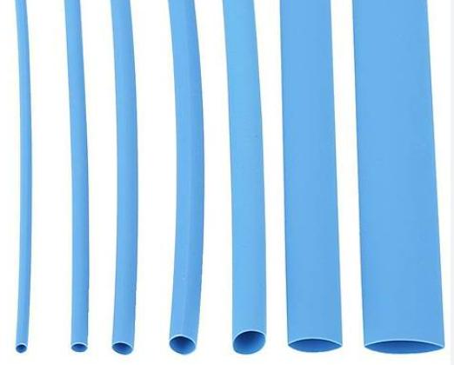
 | A026330015 | A02726 | 1,5 mm MAVİ DARALAN MAKARON | MT | 0.116 | $
 | A026330024 | A02727 | 2,4 mm MAVİ DARALAN MAKARON | MT | 0.000 | $
 | A026330025 | A02728 | 2,5 mm MAVİ DARALAN MAKARON | MT | 0.179 | $
 | A026330032 | A02729 | 3,2 mm MAVİ DARALAN MAKARON | MT | 0.211 | $
 | A026330048 | A02730 | 4,8 mm MAVİ DARALAN MAKARON | MT | 0.285 | $
 | A026330064 | A02731 | 6,4 mm MAVİ DARALAN MAKARON | MT | 0.348 | $
 | A026330095 | A02732 | 9,5 mm MAVİ DARALAN MAKARON | MT | 0.411 | $
 | A026330130 | A02733 | 13 mm MAVİ DARALAN MAKARON | MT | 0.580 | $
 | A026330160 | A02734 | 16 mm MAVİ DARALAN MAKARON | MT | 0.895 | $
 | A026330191 | A02735 | 19,1 mm MAVİ DARALAN MAKARON | MT | 0.000 | $
 | A026330200 | A02736 | 20 mm MAVİ DARALAN MAKARON | MT | 1.580 | $
 | A026330254 | A02737 | 25,4 mm MAVİ DARALAN MAKARON | MT | 2.000 | $
 | A026330320 | A02738 | 32 mm MAVİ DARALAN MAKARON | MT | 2.530 | $
 | A026330350 | A02739 | 35 mm MAVİ DARALAN MAKARON | MT | 0.000 | $
 | A026330380 | A02740 | 38 mm MAVİ DARALAN MAKARON | MT | 3.795 | $
 | A026330510 | A02741 | 51 mm MAVİ DARALAN MAKARON | MT | 4.430 | $
 | A026330600 | A02742 | 60 mm MAVİ DARALAN MAKARON | MT | 6.110 | $
 | A026330760 | A02743 | 76 mm MAVİ DARALAN MAKARON | MT | 0.000 | $
 | A026330800 | A02744 | 80 mm MAVİ DARALAN MAKARON | MT | 8.425 | $
 | A026331020 | A02745 | 102 mm MAVİ DARALAN MAKARON | MT | 11.600 | $
 | A026331200 | A02746 | 120 mm MAVİ DARALAN MAKARON | MT | 0.000 | $
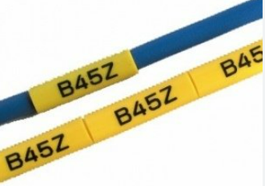 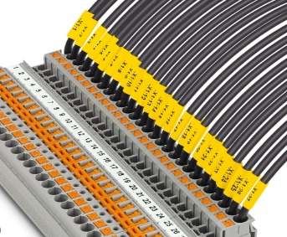 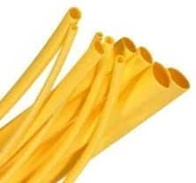 | A026430015 | A02747 | 1,5 mm SARI DARALAN MAKARON | MT | 0.116 | $
 | A026430020 | A02748 | 2,0 mm SARI DARALAN MAKARON | MT | 0.000 | $
 | A026430024 | A02749 | 2,4 mm SARI DARALAN MAKARON | MT | 0.000 | $
 | A026430025 | A02750 | 2,5 mm SARI DARALAN MAKARON | MT | 0.179 | $
 | A026430032 | A02751 | 3,2 mm SARI DARALAN MAKARON | MT | 0.211 | $
 | A026430032Y | A02752 | 3,2 mm YASSI SARI DARALAN MAKARON | MT | 0.000 | $
 | A026430035 | A02753 | 3,5 mm SARI DARALAN MAKARON | MT | 0.221 | $
 | A026430035Y | A02754 | 3,5 mm YASSI SARI DARALAN MAKARON | MT | 0.221 | $
 | A026430048 | A02755 | 4,8 mm SARI DARALAN MAKARON | MT | 0.285 | $
 | A026430048Y | A02756 | 4,8 mm YASSI SARI DARALAN MAKARON | MT | 0.285 | $
 | A026430064 | A02757 | 6,4 mm SARI DARALAN MAKARON | MT | 0.348 | $
...
 | ANİPA FİYAT LİSTESİ OCAK 2024
 | MALZEME KODU | B2B SİPARİŞ KOD | MALZEME AÇIKLAMASI | BİRİM | LİSTE FİYATI | DÖVİZ CİNSİ
 | A026430254 | A02765 | 25,4 mm SARI DARALAN MAKARON | MT | 2.000 | $
 | A026430320 | A02766 | 32 mm SARI DARALAN MAKARON | MT | 2.530 | $
 | A026430350 | A02767 | 35 mm SARI DARALAN MAKARON | MT | 0.000 | $
 | A026430380 | A02768 | 38 mm SARI DARALAN MAKARON | MT | 3.795 | $
 | A026430510 | A02769 | 51 mm SARI DARALAN MAKARON | MT | 4.430 | $
 | A026430600 | A02770 | 60 mm SARI DARALAN MAKARON | MT | 6.110 | $
 | A026430760 | A02771 | 76 mm SARI DARALAN MAKARON | MT | 0.000 | $
 | A026430800 | A02772 | 80 mm SARI DARALAN MAKARON | MT | 8.425 | $
 | A026431020 | A02773 | 102 mm SARI DARALAN MAKARON | MT | 11.600 | $
 | A026431200 | A02774 | 120 mm SARI DARALAN MAKARON | MT | 0.000 | $
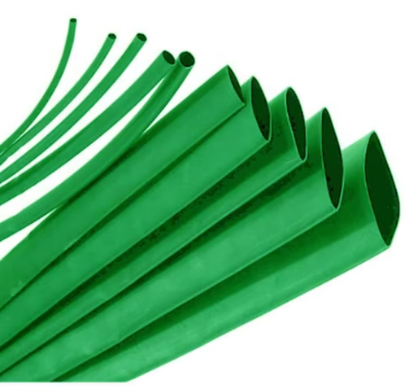
 | A026530015 | A02775 | 1,5 mm YEŞİL DARALAN MAKARON | MT | 0.116 | $
 | A026530024 | A02776 | 2,4 mm YEŞİL DARALAN MAKARON | MT | 0.000 | $
 | A026530025 | A02777 | 2,5 mm YEŞİL DARALAN MAKARON | MT | 0.179 | $
 | A026530032 | A02778 | 3,2 mm YEŞİL DARALAN MAKARON | MT | 0.211 | $
 | A026530048 | A02779 | 4,8 mm YEŞİL DARALAN MAKARON | MT | 0.285 | $
 | A026530064 | A02780 | 6,4 mm YEŞİL DARALAN MAKARON | MT | 0.348 | $
 | A026530095 | A02781 | 9,5 mm YEŞİL DARALAN MAKARON | MT | 0.411 | $
 | A026530130 | A02782 | 13 mm YEŞİL DARALAN MAKARON | MT | 0.580 | $
 | A026530160 | A02783 | 16 mm YEŞİL DARALAN MAKARON | MT | 0.895 | $
 | A026530191 | A02784 | 19,1 mm YEŞİL DARALAN MAKARON | MT | 0.000 | $
 | A026530200 | A02785 | 20 mm YEŞİL DARALAN MAKARON | MT | 1.580 | $
 | A026530254 | A02786 | 25,4 mm YEŞİL DARALAN MAKARON | MT | 2.000 | $
 | A026530320 | A02787 | 32 mm YEŞİL DARALAN MAKARON | MT | 2.530 | $
 | A026530350 | A02788 | 35 mm YEŞİL DARALAN MAKARON | MT | 0.000 | $
 | A026530380 | A02789 | 38 mm YEŞİL DARALAN MAKARON | MT | 3.795 | $
 | A026530510 | A02790 | 51 mm YEŞİL DARALAN MAKARON | MT | 4.430 | $
 | A026530600 | A02791 | 60 mm YEŞİL DARALAN MAKARON | MT | 6.110 | $
 | A026530760 | A02792 | 76 mm YEŞİL DARALAN MAKARON | MT | 0.000 | $
 | A026530800 | A02793 | 80 mm YEŞİL DARALAN MAKARON | MT | 8.425 | $
 | A026531020 | A02794 | 102 mm YEŞİL DARALAN MAKARON | MT | 11.600 | $
 | A026531200 | A02795 | 120 mm YEŞİL DARALAN MAKARON | MT | 0.000 | $
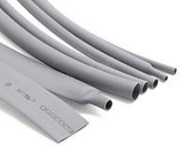 | A026630015 | A02796 | 1,5 mm GRİ DARALAN MAKARON | MT | 0.116 | $
 | A026630024 | A02797 | 2,4 mm GRİ DARALAN MAKARON | MT | 0.000 | $
 | A026630025 | A02798 | 2,5 mm GRİ DARALAN MAKARON | MT | 0.179 | $
 | A026630032 | A02799 | 3,2 mm GRİ DARALAN MAKARON | MT | 0.211 | $
 | A026630048 | A02800 | 4,8 mm GRİ DARALAN MAKARON | MT | 0.285 | $
 | A026630064 | A02801 | 6,4 mm GRİ DARALAN MAKARON | MT | 0.348 | $
 | A026630095 | A02802 | 9,5 mm GRİ DARALAN MAKARON | MT | 0.411 | $
 | A026630130 | A02803 | 13 mm GRİ DARALAN MAKARON | MT | 0.580 | $
 | A026630160 | A02804 | 16 mm GRİ DARALAN MAKARON | MT | 0.895 | $
 | A026630191 | A02805 | 19,1 mm GRİ DARALAN MAKARON | MT | 0.000 | $
 | A026630200 | A02806 | 20 mm GRİ DARALAN MAKARON | MT | 1.580 | $
 | A026630254 | A02807 | 25,4 mm GRİ DARALAN MAKARON | MT | 2.000 | $
 | A026630320 | A02808 | 32 mm GRİ DARALAN MAKARON | MT | 2.530 | $
 | A026630350 | A02809 | 35 mm GRİ DARALAN MAKARON | MT | 0.000 | $
 | A026630380 | A02810 | 38 mm GRİ DARALAN MAKARON | MT | 3.795 | $
 | A026630510 | A02811 | 51 mm GRİ DARALAN MAKARON | MT | 4.430 | $
 | A026630600 | A02812 | 60 mm GRİ DARALAN MAKARON | MT | 6.110 | $
 | A026630760 | A02813 | 76 mm GRİ DARALAN MAKARON | MT | 0.000 | $
 | A026630800 | A02814 | 80 mm GRİ DARALAN MAKARON | MT | 8.425 | $
 | A026631020 | A02815 | 102 mm GRİ DARALAN MAKARON | MT | 11.600 | $
 | A026631200 | A02816 | 120 mm GRİ DARALAN MAKARON | MT | 0.000 | $
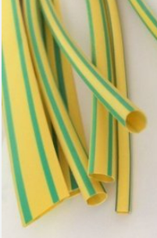 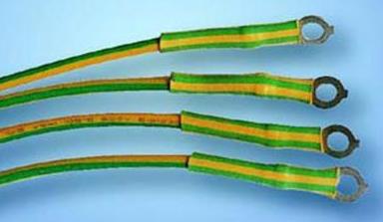 | A026020015 | A02817 | 1,5 mm SARI/YEŞİL DARALAN MAKARON | MT | 0.000 | $
 | A026020024 | A02818 | 2,4 mm SARI/YEŞİL DARALAN MAKARON | MT | 0.443 | $
 | A026020032 | A02819 | 3,2 mm SARI/YEŞİL DARALAN MAKARON | MT | 0.453 | $
 | A026020048 | A02820 | 4,8 mm SARI/YEŞİL DARALAN MAKARON | MT | 0.464 | $
 | A026020064 | A02821 | 6,4 mm SARI/YEŞİL DARALAN MAKARON | MT | 0.527 | $
 | A026020095 | A02822 | 9,5 mm SARI/YEŞİL DARALAN MAKARON | MT | 0.716 | $
 | A026020130 | A02823 | 13 mm SARI/YEŞİL DARALAN MAKARON | MT | 1.053 | $
 | A026020160 | A02824 | 16 mm SARI/YEŞİL DARALAN MAKARON | MT | 1.527 | $
 | A026020191 | A02825 | 19,1 mm SARI/YEŞİL DARALAN MAKARON | MT | 0.000 | $
 | A026020200 | A02826 | 20 mm SARI/YEŞİL DARALAN MAKARON | MT | 2.000 | $
 | A026020254 | A02827 | 25,4 mm SARI/YEŞİL DARALAN MAKARON | MT | 2.900 | $
 | A026020320 | A02828 | 32 mm SARI/YEŞİL DARALAN MAKARON | MT | 3.900 | $
 | A026020380 | A02829 | 38 mm SARI/YEŞİL DARALAN MAKARON | MT | 5.270 | $
 | A026020510 | A02830 | 51 mm SARI/YEŞİL DARALAN MAKARON | MT | 7.370 | $
 | A026020600 | A02831 | 60 mm SARI/YEŞİL DARALAN MAKARON | MT | 10.550 | $
 | A026020760 | A02832 | 76 mm SARI/YEŞİL DARALAN MAKARON | MT | 0.000 | $
 | A026020800 | A02833 | 80 mm SARI/YEŞİL DARALAN MAKARON | MT | 15.800 | $
 | A026021020 | A02834 | 102 mm SARI/YEŞİL DARALAN MAKARON | MT | 24.220 | $
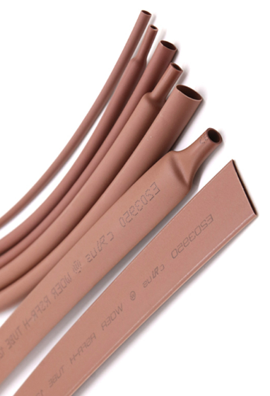 | A026070015 | A02834 | 1,5 mm KAHVERENGİ DARALAN MAKARON | MT | 0.127 | $
 | A026070024 | A02835 | 2,4 mm KAHVERENGİ DARALAN MAKARON | MT | 0.000 | $
 | A026070025 | A02836 | 2,5 mm KAHVERENGİ DARALAN MAKARON | MT | 0.190 | $
 | A026070032 | A02837 | 3,2 mm KAHVERENGİ DARALAN MAKARON | MT | 0.232 | $
 | A026070048 | A02838 | 4,8 mm KAHVERENGİ DARALAN MAKARON | MT | 0.306 | $
 | A026070064 | A02839 | 6,4 mm KAHVERENGİ DARALAN MAKARON | MT | 0.400 | $
 | A026070095 | A02840 | 9,5 mm KAHVERENGİ DARALAN MAKARON | MT | 0.464 | $
 | A026070130 | A02841 | 13 mm KAHVERENGİ DARALAN MAKARON | MT | 0.632 | $
 | A026070160 | A02842 | 16 mm KAHVERENGİ DARALAN MAKARON | MT | 1.107 | $
 | A026070191 | A02843 | 19,1 mm KAHVERENGİ DARALAN MAKARON | MT | 0.000 | $
 | A026070200 | A02844 | 20 mm KAHVERENGİ DARALAN MAKARON | MT | 1.632 | $
 | A026070254 | A02845 | 25,4 mm KAHVERENGİ DARALAN MAKARON | MT | 2.211 | $
 | A026070320 | A02846 | 32 mm KAHVERENGİ DARALAN MAKARON | MT | 2.950 | $
 | A026070350 | A02847 | 35 mm KAHVERENGİ DARALAN MAKARON | MT | 0.000 | $
 | A026070380 | A02848 | 38 mm KAHVERENGİ DARALAN MAKARON | MT | 4.320 | $
 | A026070510 | A02849 | 51 mm KAHVERENGİ DARALAN MAKARON | MT | 5.160 | $
 | A026070600 | A02850 | 60 mm KAHVERENGİ DARALAN MAKARON | MT | 7.900 | $
 | A026070760 | A02851 | 76 mm KAHVERENGİ DARALAN MAKARON | MT | 0.000 | $
 | A026070800 | A02852 | 80 mm KAHVERENGİ DARALAN MAKARON | MT | 9.480 | $
 | A026071020 | A02853 | 102 mm KAHVERENGİ DARALAN MAKARON | MT | 14.220 | $
 | A026071200 | A02854 | 120 mm KAHVERENGİ DARALAN MAKARON | MT | 0.000 | $
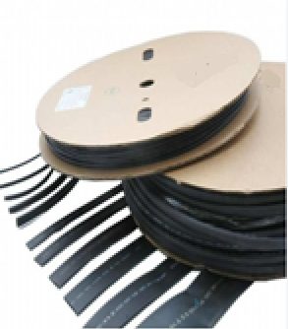 | A026730032 | A02855 | 3,2 RULO İÇİ YAPIŞKANLIDARALAN MAKARON (3/1) | MT | 0.685 | $
 | A026730048 | A02856 | 4,8 RULO İÇİ YAPIŞKANLIDARALAN MAKARON (3/1) | MT | 0.843 | $
 | A026730050 | A02857 | 5,0 RULO İÇİ YAPIŞKANLIDARALAN MAKARON (3/1) | MT | 0.000 | $
 | A026730064 | A02858 | 6,4 RULO İÇİ YAPIŞKANLIDARALAN MAKARON (3/1) | MT | 1.265 | $
 | A026730095 | A02859 | 9,5 RULO İÇİ YAPIŞKANLIDARALAN MAKARON (3/1) | MT | 1.685 | $
 | A026730127 | A02860 | 12,7 RULO İÇİ YAPIŞKANLI DARALAN MAKARON (3/1) | MT | 0.000 | $
 | A026730160 | A02861 | 16 RULO İÇİ YAPIŞKANLIDARALAN MAKARON (3/1) | MT | 0.000 | $
 | A026730191 | A02862 | 19.1 RULO İÇİ YAPIŞKANLIDARALAN MAKARON (3/1) | MT | 0.000 | $
 | A026730254 | A02863 | 25.4 RULO İÇİ YAPIŞKANLIDARALAN MAKARON (3/1) | MT | 0.000 | $
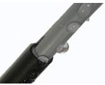 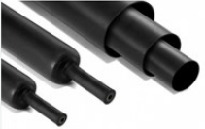 | A026830060 | A02864 | 6/2 İÇİ YAPIŞKANLIDARALAN MAKARON (3/1) | MT | 0.000 | $
 | A026830090 | A02865 | 9/3 İÇİ YAPIŞKANLI DARALAN MAKARON (3/1) | MT | 0.000 | $
 | A026830120 | A02866 | 12/4 İÇİ YAPIŞKANLI DARALAN MAKARON (3/1) | MT | 2.425 | $
 | A026830160 | A02867 | 16/5 İÇİ YAPIŞKANLI DARALAN MAKARON (3/1) | MT | 3.370 | $
 | A026830190 | A02868 | 19/6 İÇİ YAPIŞKANLI DARALAN MAKARON (3/1) | MT | 4.750 | $
 | A026830220 | A02869 | 22/6 İÇİ YAPIŞKANLIDARALAN MAKARON (3/1) | MT | 0.000 | $
 | A026830250 | A02870 | 25/8 İÇİ YAPIŞKANLIDARALAN MAKARON (3/1) | MT | 0.000 | $
 | A026830280 | A02871 | 28/6 İÇİ YAPIŞKANLI DARALAN MAKARON (3/1) | MT | 5.370 | $
 | A026830330 | A02872 | 33/10 İÇİ YAPIŞKANLIDARALAN MAKARON (3/1) | MT | 6.110 | $
 | A026830400 | A02873 | 40/12 İÇİ YAPIŞKANLIDARALAN MAKARON (3/1) | MT | 6.750 | $
 | A026830450 | A02874 | 45/14 İÇİ YAPIŞKANLIDARALAN MAKARON (3/1) | MT | 7.480 | $
 | A026830550 | A02875 | 55/16 İÇİ YAPIŞKANLIDARALAN MAKARON (3/1) | MT | 8.430 | $
 | A026830700 | A02876 | 70/25 İÇİ YAPIŞKANLIDARALAN MAKARON (3/1) | MT | 11.900 | $
 | A026830900 | A02877 | 90/30 İÇİ YAPIŞKANLIDARALAN MAKARON (3/1) | MT | 16.850 | $
 | A026831150 | A02878 | 115/34 İÇİ YAPIŞKANLIDARALAN MAKARON (3/1) | MT | 0.000 | $
 | A026831250 | A02879 | 125/40 İÇİ YAPIŞKANLIDARALAN MAKARON (3/1) | MT | 21.100 | $
 | A026831400 | A02880 | 140/42 İÇİ YAPIŞKANLIDARALAN MAKARON (3/1) | MT | 0.000 | $
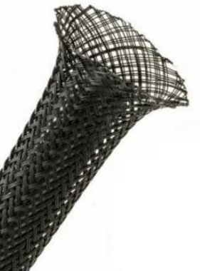 | A026040030 | A02501 | 3 mm SİYAH KABLO ÇORABI | MT | 0.235 | $
 | A026040060 | A02502 | 6 mm SİYAH KABLO ÇORABI | MT | 0.285 | $
 | A026040080 | A02503 | 8 mm SİYAH KABLO ÇORABI | MT | 0.295 | $
 | A026040100 | A02504 | 10 mm SİYAH KABLO ÇORABI | MT | 0.335 | $
 | A026040120 | A02505 | 12 mm SİYAH KABLO ÇORABI | MT | 0.425 | $
 | A026040150 | A02506 | 15 mm SİYAH KABLO ÇORABI | MT | 0.475 | $
 | A026040200 | A02507 | 20 mm SİYAH KABLO ÇORABI | MT | 0.550 | $
 | A026040250 | A02508 | 25 mm SİYAH KABLO ÇORABI | MT | 0.700 | $
 | A026040300 | A02509 | 30 mm SİYAH KABLO ÇORABI | MT | 0.850 | $
 | A026040400 | A02510 | 40 mm SİYAH KABLO ÇORABI | MT | 1.150 | $
 | A026040500 | A02511 | 50 mm SİYAH KABLO ÇORABI | MT | 1.500 | $
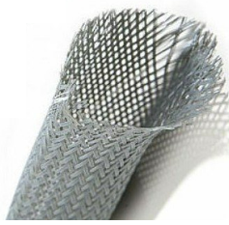 | A026041030 | A02512 | 3 mm GRİ KABLO ÇORABI | MT | 0.235 | $
 | A026041060 | A02513 | 6 mm GRİ KABLO ÇORABI | MT | 0.285 | $
 | A026041080 | A02514 | 8 mm GRİ KABLO ÇORABI | MT | 0.295 | $
 | A026041100 | A02515 | 10 mm GRİ KABLO ÇORABI | MT | 0.335 | $
 | A026041120 | A02516 | 12 mm GRİ KABLO ÇORABI | MT | 0.425 | $
 | A026041150 | A02517 | 15 mm GRİ KABLO ÇORABI | MT | 0.475 | $
 | A026041200 | A02518 | 20 mm GRİ KABLO ÇORABI | MT | 0.550 | $
 | A026041250 | A02519 | 25 mm GRİ KABLO ÇORABI | MT | 0.700 | $
 | A026041300 | A02520 | 30 mm GRİ KABLO ÇORABI | MT | 0.850 | $
 | A026041400 | A02521 | 40 mm GRİ KABLO ÇORABI | MT | 1.150 | $
 | A026041500 | A02522 | 50 mm GRİ KABLO ÇORABI | MT | 1.500 | $
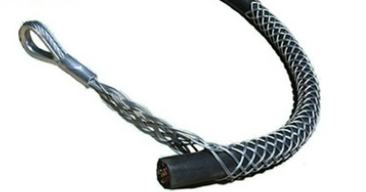 | A026042010 | A02523 | 10 mm KABLO ÇEKME ÇORABI (0-11mm) TEK GÖZ | AD | 730.000 | ₺
 | A026042020 | A02524 | 20 mm KABLO ÇEKME ÇORABI (11-20mm) TEK GÖZ | AD | 890.000 | ₺
 | A026042030 | A02525 | 30 mm KABLO ÇEKME ÇORABI (21-30mm) TEK GÖZ | AD | 950.000 | ₺
 | A026042040 | A02526 | 40 mm KABLO ÇEKME ÇORABI (31-40mm) TEK GÖZ | AD | 1,110.000 | ₺
 | A026042060 | A02527 | 60 mm KABLO ÇEKME ÇORABI (41-60mm) TEK GÖZ | AD | 1,270.000 | ₺
 | A026042080 | A02528 | 80 mm KABLO ÇEKME ÇORABI (61-80mm) TEK GÖZ | AD | 1,490.000 | ₺
 | A026042100 | A02529 | 100 mm KABLO ÇEKME ÇORABI (81-100mm) TEK GÖZ | AD | 1,585.000 | ₺
 | A026042120 | A02530 | 120 mm KABLO ÇEKME ÇORABI (101-120mm) TEK GÖZ | AD | 1,710.000 | ₺
 | A026042140 | A02531 | 140 mm KABLO ÇEKME ÇORABI (121-140mm) TEK GÖZ | AD | 1,840.000 | ₺
 | A026042160 | A02532 | 160 mm KABLO ÇEKME ÇORABI (141-160mm) TEK GÖZ | AD | 2,100.000 | ₺
 | A026042180 | A02533 | 180 mm KABLO ÇEKME ÇORABI (161-180mm) TEK GÖZ | AD | 2,375.000 | ₺
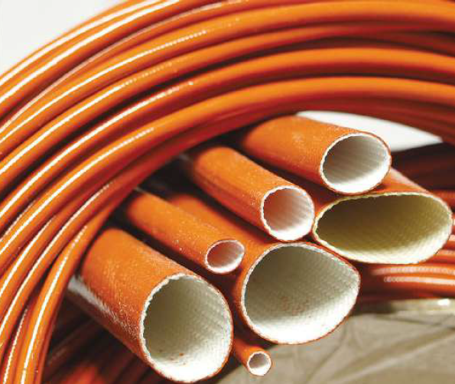 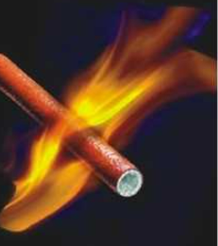 | A026050010 | A02551 | 1,0 mm H CLASS CAM ELYAF SİLİKON MAKARON | MT | 0.215 | $
 | A026050015 | A02552 | 1,5 mm H CLASS CAM ELYAF SİLİKON MAKARON | MT | 0.240 | $
 | A026050020 | A02553 | 2,0 mm H CLASS CAM ELYAF SİLİKON MAKARON | MT | 0.240 | $
 | A026050025 | A02554 | 2,5 mm H CLASS CAM ELYAF SİLİKON MAKARON | MT | 0.365 | $
 | A026050030 | A02555 | 3 mm H CLASS CAM ELYAF SİLİKON MAKARON | MT | 0.360 | $
 | A026050040 | A02556 | 4 mm H CLASS CAM ELYAF SİLİKON MAKARON | MT | 0.485 | $
 | A026050050 | A02557 | 5 mm H CLASS CAM ELYAF SİLİKON MAKARON | MT | 0.580 | $
 | A026050060 | A02558 | 6 mm H CLASS CAM ELYAF SİLİKON MAKARON | MT | 0.717 | $
 | A026050070 | A02559 | 7 mm H CLASS CAM ELYAF SİLİKON MAKARON | MT | 0.822 | $
 | A026050080 | A02560 | 8 mm H CLASS CAM ELYAF SİLİKON MAKARON | MT | 0.949 | $
 | A026050100 | A02561 | 10 mm H CLASS CAM ELYAF SİLİKON MAKARON | MT | 1.297 | $
 | A026050120 | A02562 | 12 mm H CLASS CAM ELYAF SİLİKON MAKARON | MT | 1.613 | $
 | A026050140 | A02563 | 14 mm H CLASS CAM ELYAF SİLİKON MAKARON | MT | 1.930 | $
 | A026050160 | A02564 | 16 mm H CLASS CAM ELYAF SİLİKON MAKARON | MT | 2.583 | $
 | A026050180 | A02565 | 18 mm H CLASS CAM ELYAF SİLİKON MAKARON | MT | 3.374 | $
 | A026050200 | A02566 | 20 mm H CLASS CAM ELYAF SİLİKON MAKARON | MT | 4.323 | $
 | A026050250 | A02567 | 25 mm H CLASS CAM ELYAF SİLİKON MAKARON | MT | 8.225 | $
 | A026050300 | A02568 | 30 mm H CLASS CAM ELYAF SİLİKON MAKARON | MT | 12.120 | $
 | A026050350 | A02569 | 35 mm H CLASS CAM ELYAF SİLİKON MAKARON | MT | 14.230 | $
 | A026050400 | A02570 | 40 mm H CLASS CAM ELYAF SİLİKON MAKARON | MT | 36.000 | $
 | A026050500 | A02571 | 50 mm H CLASS CAM ELYAF SİLİKON MAKARON | MT | 44.500 | $
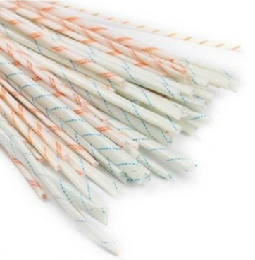 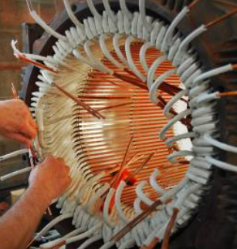 | A026060008 | A02581 | 0,8 mm CAM ELYAF MAKARON(BEYAZ/ÇİZGİLİ) | MT | 0.085 | $
 | A026060010 | A02582 | 1,0 mm CAM ELYAF MAKARON(BEYAZ/ÇİZGİLİ) | MT | 0.085 | $
 | A026060015 | A02583 | 1,5 mm CAM ELYAF MAKARON(BEYAZ/ÇİZGİLİ) | MT | 0.112 | $
 | A026060020 | A02584 | 2,0 mm CAM ELYAF MAKARON(BEYAZ/ÇİZGİLİ) | MT | 0.126 | $
 | A026060025 | A02585 | 2,5 mm CAM ELYAF MAKARON(BEYAZ/ÇİZGİLİ) | MT | 0.140 | $
 | A026060030 | A02586 | 3 mm CAM ELYAF MAKARON(BEYAZ/ÇİZGİLİ) | MT | 0.153 | $
 | A026060040 | A02587 | 4 mm CAM ELYAF MAKARON(BEYAZ/ÇİZGİLİ) | MT | 0.211 | $
 | A026060050 | A02588 | 5 mm CAM ELYAF MAKARON(BEYAZ/ÇİZGİLİ) | MT | 0.382 | $
 | A026060060 | A02589 | 6 mm CAM ELYAF MAKARON(BEYAZ/ÇİZGİLİ) | MT | 0.404 | $
 | A026060070 | A02590 | 7 mm CAM ELYAF MAKARON(BEYAZ/ÇİZGİLİ) | MT | 0.482 | $
 | A026060080 | A02591 | 8 mm CAM ELYAF MAKARON(BEYAZ/ÇİZGİLİ) | MT | 0.525 | $
...

